COVER
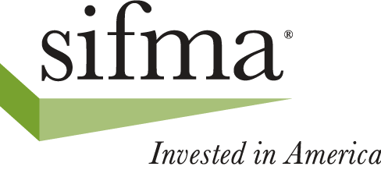
2026 SECURITIES INDUSTRY BUSINESS CONTINUITY TEST

TEST DATE: SATURDAY, OCTOBER 24, 2026

Summary of Test Components

 | 1. Equities
 | 2. Fixed Income
 | 3. Options
 | 4. DTCC
 | 5. Treasury Auctions
 | 6. Payments
 | 7. Market Data
 | 8. Service Bureaus
 | 9. Futures
 | 10. FX
 | 11. Document Updates

Sponsored By:

Securities Industry and Financial Markets Association

Version Date: June 26, 2026
 | Note: Updated information is added periodically so check version date
 | Firms whose names are italicized have not yet provided 2026 data

