Table of Contents

 | Securitisation Data Report
 | 2019:Q2

 |  | Page & Tab Number
 | 1. Issuance
 | 1.1. European Historical Issuance | 2
 | 1.2. US and Australia Historical Issuance | 2
 | 1.3. European Issuance by Collateral | 2
 | 1.4. European Issuance by Retention | 2
 | 1.5. Australia Issuance by Collateral | 2
 | 1.6. US Issuance by Collateral | 2
 | 1.7. Issuance by Country of Collateral | 3
 | 1.8. Issuance by Collateral and Country | 3
 | 1.9. European Issuance by Rating | 4
 | 1.10. Australia Issuance by Rating | 4
 | 1.11. US Issuance by Rating | 4
 | 1.12. Securitisation Issuance by Deal Size | 5

 | 2. Balances Outstanding
 | 2.1. European Outstandings by Collateral | 6
 | 2.2. Australia Outstandings by Collateral | 6
 | 2.3. US Outstandings by Collateral | 6
 | 2.4. Outstandings by Country of Collateral | 7
 | 2.5. European Outstandings by Moody’s Rating | 8
 | 2.6. Australia Outstandings by S&P Global Ratings Rating | 8
 | 2.7. US Outstandings by Moody’s Rating | 8
 | 2.8. Australia Outstandings by Vintage | 8
 | 2.9 European Outstandings by Vintage | 8
 | 2.10 European Outstandings by Collateral and Country | 9

 | 3. Credit Quality - Rating Changes
 | Upgrades/Downgrades by Country
 | 3.1. DBRS | 10
 | 3.2. Fitch Ratings | 10
 | 3.3. Moody’s Investors Service | 10
 | 3.4. S&P Global Ratings | 10
 | Upgrades/Downgrades by Collateral
 | 3.5. DBRS – Europe | 11
 | 3.6. Fitch Ratings – Europe | 11
 | 3.7. Moody’s Investors Service – Europe | 11
 | 3.8. S&P Global Ratings – Europe | 11
 | 3.9. DBRS – US | 11
 | 3.10. Fitch Ratings – US | 11
 | 3.11. Moody’s Investors Service – US | 11
 | 3.12. S&P Global Ratings – US | 11
 |  | 11
 | 4. CMBS Spreads
 | 4.1. European 3-5 Yr AAA CMBS Spreads | 12
 | 4.2. European 3-5 Yr BBB CMBS Spreads | 12
 | 4.3. US 3 & 5 Yr AAA CMBS Spreads | 12
 | 4.4. US 3 & 5 Yr BBB CMBS Spreads | 12

 | 5. RMBS Spreads
 | 5.1. European 3-5 Yr AAA RMBS Spreads | 13
 | 5.2. European 3-5 Yr BBB RMBS Spreads | 13
 | 5.3. UK 3-5 Yr AAA RMBS Spreads | 13
 | 5.4. UK 3-5 Yr BBB RMBS Spreads | 13

 | 6. ABS Spreads
 | 6.1. European 1-4 Yr AAA ABS Spreads | 14
 | 6.2. European 1-4 Yr BBB ABS Spreads | 14
 | 6.3. US 3-Yr AAA ABS Spreads | 14
 | 6.4. US 3-Yr BBB ABS Spreads | 14

 | 7. RMBS Prices
 | 7.1. European 3-5 Yr AAA RMBS Prices | 15
 | 7.2. European 3-5 Yr BBB RMBS Prices | 15
 | 7.3. UK 3-5 Yr AAA RMBS Prices | 15
 | 7.4. iBoxx US RMBS Prices | 15

 | 8. CMBS and ABS Prices
 | 8.1. Pan-European 3-5 Yr AAA CMBS Prices | 16
 | 8.2. Pan-European 3-5 Yr BBB CMBS Prices | 16
 | 8.3. Pan-European 1-4 Yr AAA ABS Prices | 16
 | 8.3. Pan-European 1-4 Yr BBB ABS Prices | 16

 | 9. Indices Data
 | 9.1. Barclays Securitised Index Option Adjusted Spreads | 17
 | 9.2. Barclays PanEurope Fixed and Floating Prices | 17
 | 9.3. Australian AAA | 17
 | 9.4. Australian AA | 17
 | 9.5. ABX.HE and CMBX Prices | 17
 | 9.6. PrimeX.ARM and FRM Prices | 17
 | 9.7. CMBX 6 AAA Prices | 17

 | 10. Total Return Benchmark Data
 | 10.1 European Total Return | 18
 | 10.2 UK Total Return | 18
 | 10.3 European ex UK RMBS AAA | 18

 | 11 Asset-Backed Commercial Paper
 | 11.1. ABCP Historical Issuance | 19
 | 11.2. ABCP Issuance by Nationality of Issuer | 19
 | 11.3. ABCP Issuance by Programme Type | 19
 | 11.4. ABCP Outstanding by Nationality of Issuer | 19
 | 11.5. ABCP Outstanding by Progamme Type | 20
 | 11.6. US ABCP Outstanding by Programme Type | 20
 | 11.7. US AA ABCP to AA Non-financial CP Spread | 20

 | 12. Global Comparative Data
 | 12.1. Global Corporate Bond Issuance | 21
 | 12.2. Global Government Bond Issuance | 21

Your receipt of this document is subject to paragraphs 3, 4, 5, 9, 10, 11 and 13 of the Terms of Use which are applicable to AFME’s website (available at http://www.afme.eu/Legal/Terms-of-Use.aspx) and, for the purposes of such Terms of Use, this document shall be considered a “Material” (regardless of whether you have received or accessed it via AFME’s website or otherwise).

12
CMBS Spreads
bps

 | 4.1. European 3-5 Yr AAA CMBS Spreads |  | 4.2. European 3-5 Yr BBB CMBS Spreads
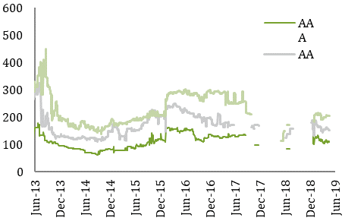
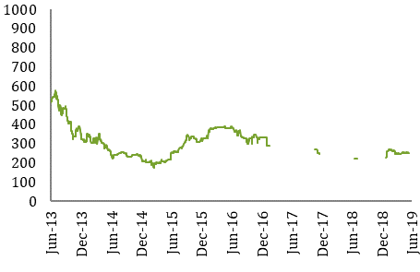

 |  |  |  | Source: Markit
 |  | Source: Markit
 | 4.3. US 3 & 5 Yr AAA CMBS Spreads |  | 4.4. US 3 & 5 Yr BBB CMBS Spreads
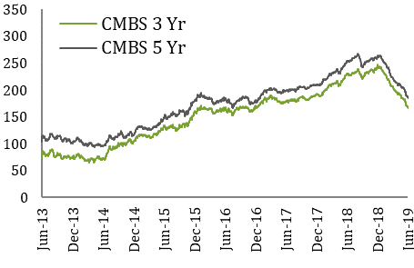
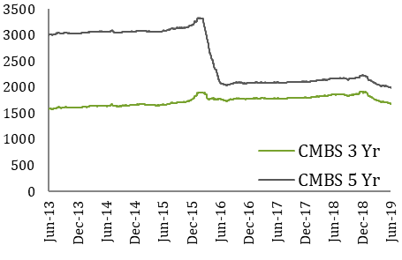

 |  | Source: Trepp LLC |  | Source: Trepp LLC

13
RMBS Spreads
bps

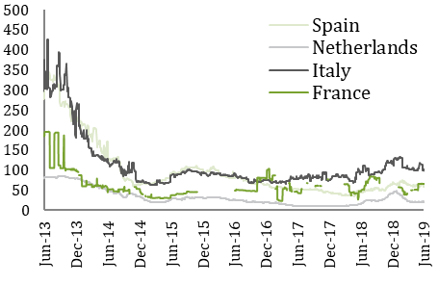
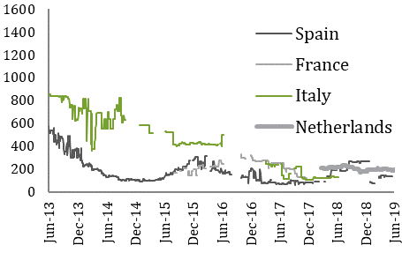
 | 5.1. European 3-5 Yr AAA RMBS Spreads |  | 5.2. European 3-5 Yr BBB RMBS Spreads

 |  | Source: Markit |  | Source: Markit

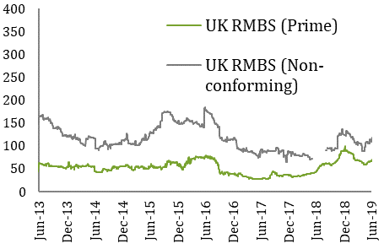
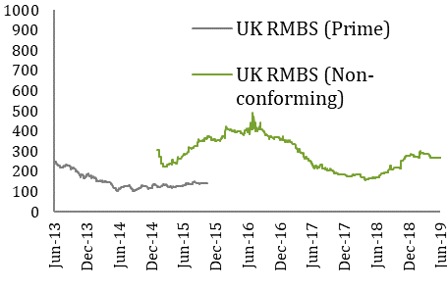
 | 5.3. UK 3-5 Yr AAA RMBS Spreads |  | 5.4. UK 3-5 Yr BBB RMBS Spreads

 |  | Source: Markit |  | Source: Markit

14
ABS Spreads
bps

 | 6.1. European 1-4 Yr AAA ABS Spreads |  | 6.2.European 1-4 Yr BBB ABS Spreads
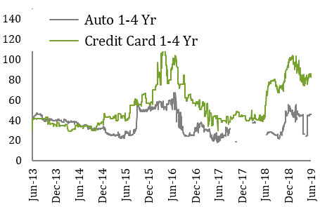
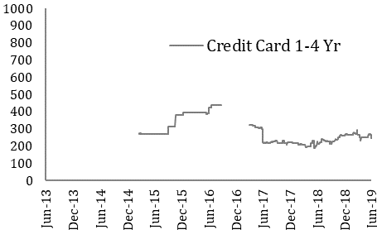

 |  | Source: Markit |  | Source: Markit
 | 6.3. US 3 Yr BBB ABS Spreads |  | 6.4 US 3 Yr BBB - AA ABS Spreads
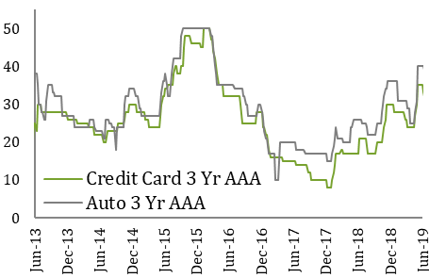
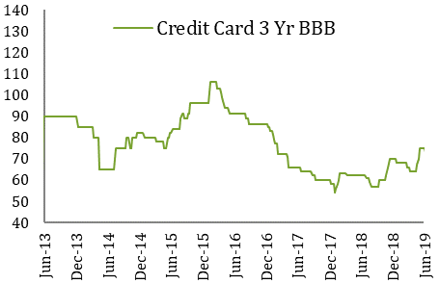

 |  | Source: JP Morgan |  | Source: JP Morgan

15
RMBS Prices

 | 7.1. European 3-5 Yr AAA RMBS Prices |  | 7.2. European 3-5 Yr BBB RMBS Prices
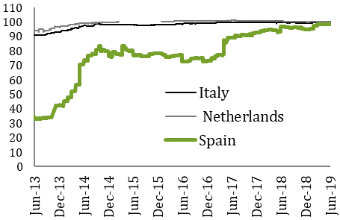
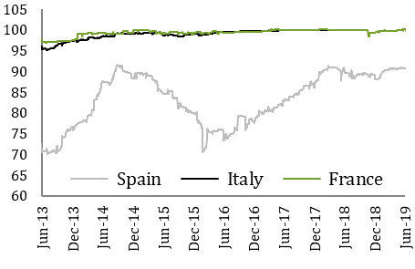

 |  | Source: Markit |  | Source: Markit
 | 1. Spanish AAA RMBS provided: IM Pastor 3, Fondo de Titulizacion Hipotecaria, Class A, Series 3. ISIN# ES0347862007. EUR-denominated. |  | 1. Dutch BBB RMBS provided: Holland Mortgage-Backed Securities (HERMES) X B.V., Class C, Series 10. ISIN# XS0228806831. EUR-denominated. From 2016 onwards: Storm 2016-I B.V, Class A2, Series 2016-I, ISIN# XS1336738221
 | 2. Italian AAA RMBS provided: Vela Home S.r.l. 3, Class A, Series 3. ISIN# IT0003933998. EUR-denominated. |  | 2. Italian BBB RMBS provided: Vela Home S.r.l. 4, Class A2, Series 4, ISIN# IT0004102007. EUR-denominated.
 | 3. French AAA RMBS provided: FCC Loggias Compartment 2003, Class A, Series 1. ISIN# FR0010029231. EUR-denominated. |  | 3. Spanish BBB RMBS provided: Tarragona 2007-1 C (TARRA 2007-1 C) ISIN # ES0347566004. EUR denominated

 | 7.3. UK 3-5 Yr AAA RMBS Prices |  | 7.4. iBoxx US RMBS Prices
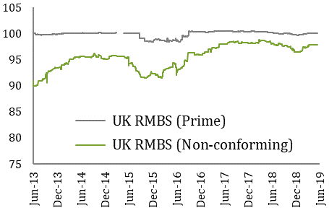
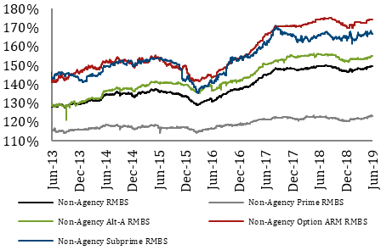

 |  | Source: Markit |  | Source: Markit
 | 1. UK AAA prime RMBS provided: Gosforth Funding 2015-1 plc, A2, 2015-1. ISIN#: XS1234353032. GBP-denominated.
 | 2. UK AAA non-conforming RMBS provided: Great Hall Mortgages No1 plc, 2007-02, Aa, GBP-denominated. ISIN#: XS0308354504

16
CMBS and ABS Prices

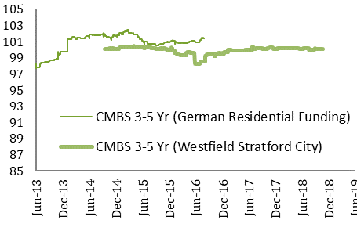
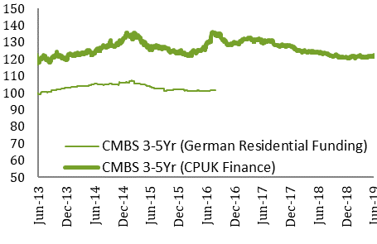
 | 8.1. Pan-European 3-5 Yr AAA CMBS Prices |  | 8.2 Pan-European 3-5 Yr BBB CMBS Prices

 |  | Source: Markit |  | Source: Markit
 | 1. Pan-European AAA CMBS provided: German Residential Funding, Class A, Series 2013-1. ISIN# XS0944452563 (paid off in 2H 16, kept in the chart for reference), EUR-denominated. and Westfield Stratford City Finance PLC, WSCF14 1 Note, GBP-denominated, ISIN# XS1093970751 |  | 1. Pan-European BBB CMBS provided: German Residential Funding, Class D, Series 2013-1. ISIN# XS0944454858 (paid off in 2H 16, kept in the chart for reference). EUR-denominated, and CPUK Finance Limited, Class A2, GBP-denominated, ISIN# XS0749350798.

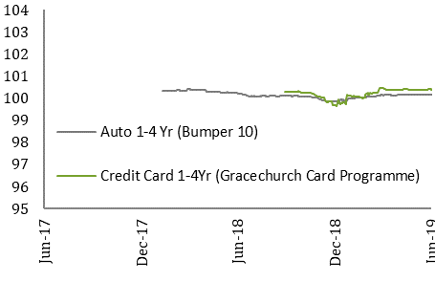
 | 8.3 Pan-European 1-4 Yr AAA ABS Prices

 |  | Source: Markit

 | 1. Pan-European AAA Auto ABS provided: Bumper 10 Class A, EUR denominated ISIN: FR0013313145 and Driver Twelve GmbH, DRV12 12 A, Class A, Series 12. EUR denominated, ISIN# XS1055190950.
 | 2. Pan-European AAA Credit Card ABS provided: Gracechurch Card Programme Funding PLC 2015-2, Class A Series 2015-2, GBP denominated, ISIN: XS1323450822 and Penarth Master Issuer PLC Series 2015-2, Class A1, ISIN# XS1237348823.

17
Indices Data

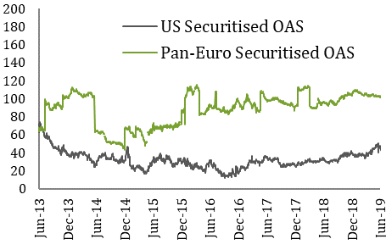
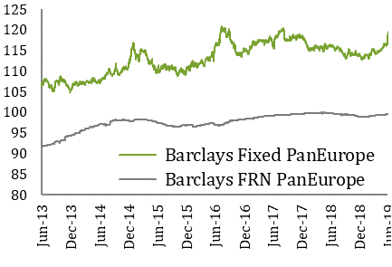
 | 9.1. Securitised index Option Adjusted Spreads |  | 9.2. Barclays PanEurope Fixed and Floating Prices

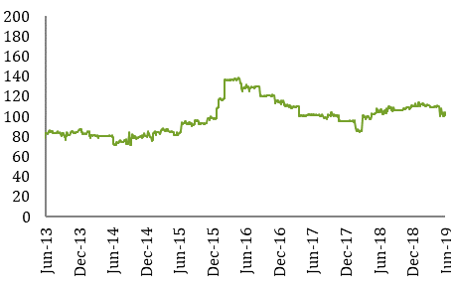
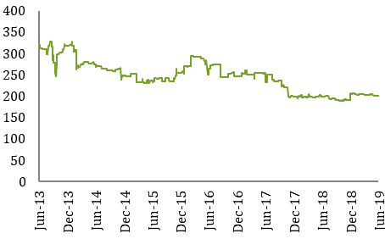
 |  | Source: Barclays Capital |  | Source: Barclays Capital
 | 9.3. Australia AAA (tranche margin for WAL >1.9 & 2.1 yrs) (bps) |  | 9.4 Australia AA (tranche margin for WAL >4.75 & 5.3 yrs) (bps)

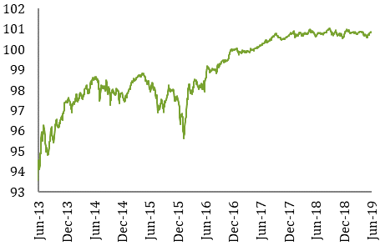
 |  | Source: Macquarie |  | Source: Macquarie
 | 9.7 CMBX 6 AAA

 |  | Source: Markit

18
Total Return Benchmark Data

 | 10.1. European Total Return |  | 10.2. UK Total Return
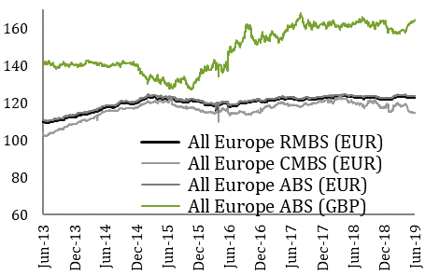
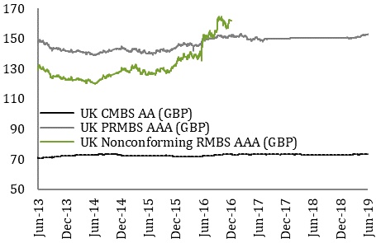

 |  | Source: Markit |  | Source: Markit

 | 10.3. European ex UK RMBS AAA
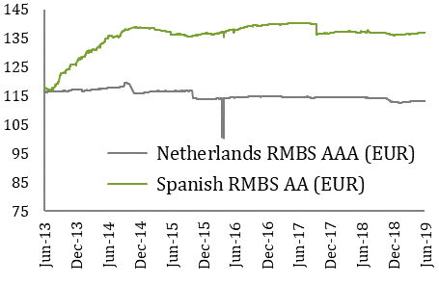

 |  | Source: Markit

