Table of Contents

 | Securitisation Data Report
 | 2017:Q4

 |  | Page & Tab Number
 | 1. Issuance
 | 1.1. European Historical Issuance | 2
 | 1.2. US and Australia Historical Issuance | 2
 | 1.3. European Issuance by Collateral | 2
 | 1.4. European Issuance by Retention | 2
 | 1.5. Australia Issuance by Collateral | 2
 | 1.6. US Issuance by Collateral | 2
 | 1.7. Issuance by Country of Collateral | 3
 | 1.8. Issuance by Collateral and Country | 3
 | 1.9. European Issuance by Rating | 4
 | 1.10. Australia Issuance by Rating | 4
 | 1.11. US Issuance by Rating | 4
 | 1.12. Securitisation Issuance by Deal Size | 5

 | 2. Balances Outstanding
 | 2.1. European Outstandings by Collateral | 6
 | 2.2. Australia Outstandings by Collateral | 6
 | 2.3. US Outstandings by Collateral | 6
 | 2.4. Outstandings by Country of Collateral | 7
 | 2.5. European Outstandings by Moody’s Rating | 8
 | 2.6. Australia Outstandings by Standard and Poor's Rating | 8
 | 2.7. US Outstandings by Moody’s Rating | 8
 | 2.8. Australia Outstandings by Vintage | 8
 | 2.9 European Outstandings by Vintage | 8
 | 2.10 European Outstandings by Collateral and Country | 9

 | 3. Credit Quality - Rating Changes
 | Upgrades/Downgrades by Country
 | 3.1. DBRS | 10
 | 3.2. Fitch Ratings | 10
 | 3.3. Moody’s Investors Service | 10
 | 3.4. Standard & Poor’s | 10
 | Upgrades/Downgrades by Collateral
 | 3.5. DBRS – Europe | 11
 | 3.6. Fitch Ratings – Europe | 11
 | 3.7. Moody’s Investors Service – Europe | 11
 | 3.8. Standard & Poor’s – Europe | 11
 | 3.9. DBRS – US | 11
 | 3.10. Fitch Ratings – US | 11
 | 3.11. Moody’s Investors Service – US | 11
 | 3.12. Standard & Poor’s – US | 11
 |  | 11
 | 4. CMBS Spreads
 | 4.1. European 3-5 Yr AAA CMBS Spreads | 12
 | 4.2. European 3-5 Yr BBB CMBS Spreads | 12
 | 4.3. US 3 & 5 Yr AAA CMBS Spreads | 12
 | 4.4. US 3 & 5 Yr BBB CMBS Spreads | 12

 | 5. RMBS Spreads
 | 5.1. European 3-5 Yr AAA RMBS Spreads | 13
 | 5.2. European 3-5 Yr BBB RMBS Spreads | 13
 | 5.3. UK 3-5 Yr AAA RMBS Spreads | 13
 | 5.4. UK 3-5 Yr BBB RMBS Spreads | 13

 | 6. ABS Spreads
 | 6.1. European 1-4 Yr AAA ABS Spreads | 14
 | 6.2. European 1-4 Yr BBB ABS Spreads | 14
 | 6.3. US 3-Yr AAA ABS Spreads | 14
 | 6.4. US 3-Yr BBB ABS Spreads | 14

 | 7. RMBS Prices
 | 7.1. European 3-5 Yr AAA RMBS Prices | 15
 | 7.2. European 3-5 Yr BBB RMBS Prices | 15
 | 7.3. UK 3-5 Yr AAA RMBS Prices | 15
 | 7.4. iBoxx US RMBS Prices | 15

 | 8. CMBS and ABS Prices
 | 8.1. Pan-European 3-5 Yr AAA CMBS Prices | 16
 | 8.2. Pan-European 3-5 Yr BBB CMBS Prices | 16
 | 8.3. Pan-European 1-4 Yr AAA ABS Prices | 16
 | 8.3. Pan-European 1-4 Yr BBB ABS Prices | 16

 | 9. Indices Data
 | 9.1. Barclays Securitised Index Option Adjusted Spreads | 17
 | 9.2. Barclays PanEurope Fixed and Floating Prices | 17
 | 9.3. Australian AAA | 17
 | 9.4. Australian AA | 17
 | 9.5. ABX.HE and CMBX Prices | 17
 | 9.6. PrimeX.ARM and FRM Prices | 17
 | 9.7. CMBX 6 AAA Prices | 17

 | 10. Total Return Benchmark Data
 | 10.1 European Total Return | 18
 | 10.2 UK Total Return | 18
 | 10.3 European ex UK RMBS AAA | 18

 | 11 Asset-Backed Commercial Paper
 | 11.1. ABCP Historical Issuance | 19
 | 11.2. ABCP Issuance by Nationality of Issuer | 19
 | 11.3. ABCP Issuance by Programme Type | 19
 | 11.4. ABCP Outstanding by Nationality of Issuer | 19
 | 11.5. ABCP Outstanding by Progamme Type | 20
 | 11.6. US ABCP Outstanding by Programme Type | 20
 | 11.7. US AA ABCP to AA Non-financial CP Spread | 20

 | 12. Global Comparative Data
 | 12.1. Global Corporate Bond Issuance | 21
 | 12.2. Global Government Bond Issuance | 21

Your receipt of this document is subject to paragraphs 3, 4, 5, 9, 10, 11 and 13 of the Terms of Use which are applicable to AFME’s website (available at http://www.afme.eu/Legal/Terms-of-Use.aspx) and, for the purposes of such Terms of Use, this document shall be considered a “Material” (regardless of whether you have received or accessed it via AFME’s website or otherwise).

12
CMBS Spreads
bps

 | 4.1. European 3-5 Yr AAA CMBS Spreads |  | 4.2. European 3-5 Yr BBB CMBS Spreads
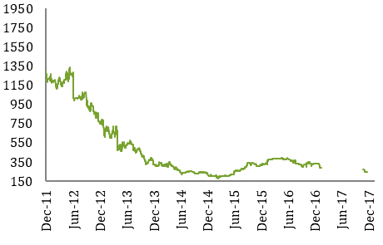

 |  |  |  | Source: Markit
 |  | Source: Markit
 | 4.3. US 3 & 5 Yr AAA CMBS Spreads |  | 4.4. US 3 & 5 Yr BBB CMBS Spreads
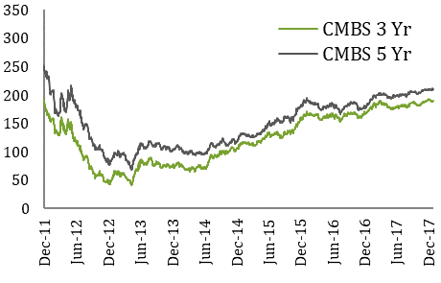
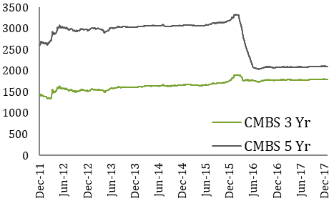

 |  | Source: Trepp LLC |  | Source: Trepp LLC

13
RMBS Spreads
bps

 | 5.1. European 3-5 Yr AAA RMBS Spreads |  | 5.2. European 3-5 Yr BBB RMBS Spreads
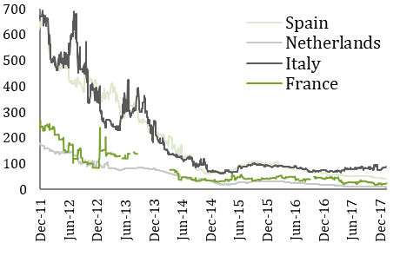
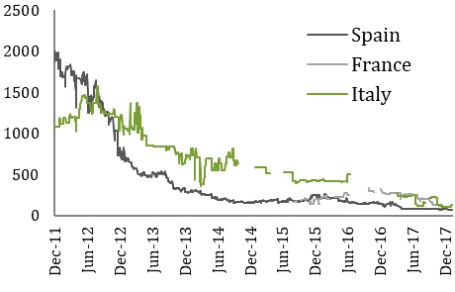

 |  | Source: Markit |  | Source: Markit

 | 5.3. UK 3-5 Yr AAA RMBS Spreads |  | 5.4. UK 3-5 Yr BBB RMBS Spreads
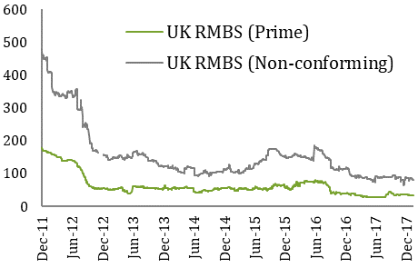
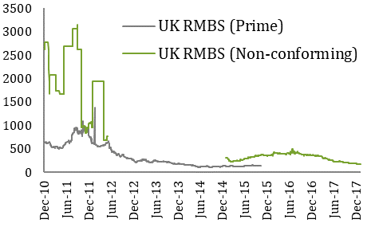

 |  | Source: Markit |  | Source: Markit

14
ABS Spreads
bps

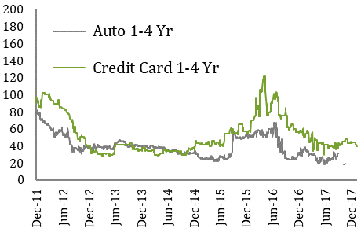
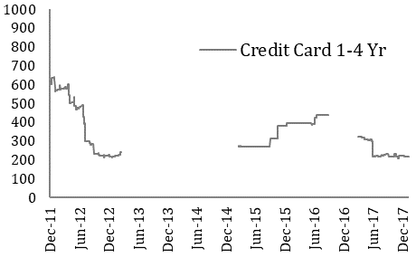
 | 6.1. European 1-4 Yr AAA ABS Spreads |  | 6.2.European 1-4 Yr BBB ABS Spreads

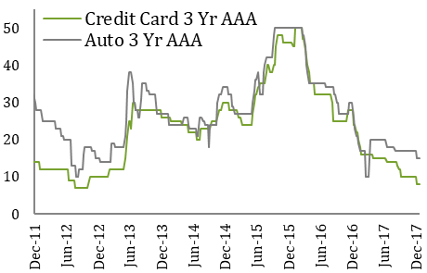
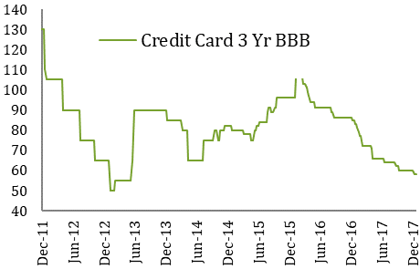
 |  | Source: Markit |  | Source: Markit
 | 6.3. US 3 Yr BBB ABS Spreads |  | 6.4 US 3 Yr BBB - AA ABS Spreads

 |  | Source: JP Morgan |  | Source: JP Morgan

15
RMBS Prices

 | 7.1. European 3-5 Yr AAA RMBS Prices |  | 7.2. European 3-5 Yr BBB RMBS Prices
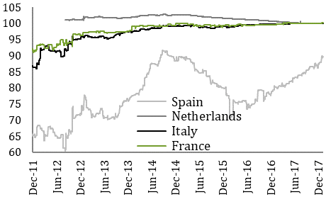
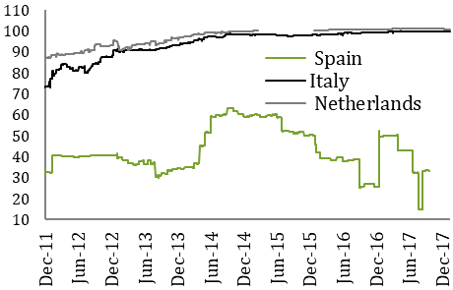

 |  | Source: Markit |  | Source: Markit
 | 1. Spanish AAA RMBS provided: IM Pastor 3, Fondo de Titulizacion Hipotecaria, Class A, Series 3. ISIN# ES0347862007. EUR-denominated |  | 1. Spanish BBB RMBS provided: Hipocat 8, Fondo de Titulizacion Activos, Class D, Series 1: ISIN# ES0345784047. EUR-denominated
 | 2. Italian AAA RMBS provided: Vela Home S.r.l. 3, Class A, Series 3. ISIN# IT0003933998. EUR-denominated. |  | 2. Dutch BBB RMBS provided: Holland Mortgage-Backed Securities (HERMES) X B.V., Class C, Series 10. ISIN# XS0228806831. EURdenominated. From 2016 onwards: Storm 2016-I B.V, Class A2, Series 2016-I, ISIN#: XS1336738221
 | 3. French AAA RMBS provided: FCC Loggias Compartment 2003, Class A, Series 1. ISIN# FR0010029231. EUR-denominated. |  | 3. Italian BBB RMBS provided: Vela Home S.r.l. 4, Class A2, Series 4, ISIN# IT0004102007. EUR-denominated.
 | 4. Dutch AAA RMBS provided: Storm 2016-I BV, Class A2, Series 2016-I ISIN# XS1336738221. EUR-denominated

 | 7.3. UK 3-5 Yr AAA RMBS Prices |  | 7.4. iBoxx US RMBS Prices
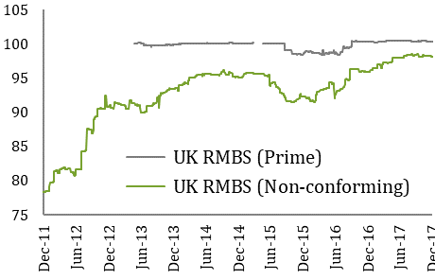
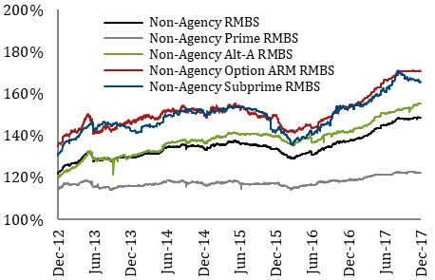

 |  | Source: Markit |  | Source: Markit
 | 1. UK AAA prime RMBS provided: GREAT HALL MORTGAGES No1 PLC, Class Aa, Series 2007-02, ISIN#: XS0308354504.
 | 2. UK AAA non-conforming RMBS provided: First Flexible No. 4 PLC, Class A, Series 4. ISIN#XS0132692384. GBP-denominated.

16
CMBS and ABS Prices

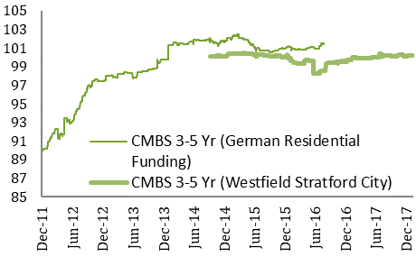
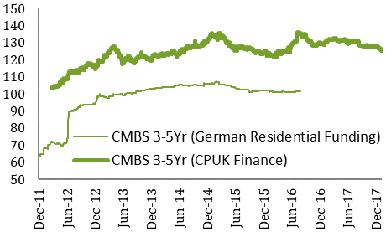
 | 8.1. Pan-European 3-5 Yr AAA CMBS Prices |  | 8.2 Pan-European 3-5 Yr BBB CMBS Prices

 |  | Source: Markit |  | Source: Markit
 | 1. Pan-European AAA CMBS provided: German Residential Funding, Class A, Series 2013-1. ISIN# XS0944452563, EUR-denominated. and Westfield Stratford City Finance Plc, WSCF14 1 Note GBP, ISIN#: XS1093970751. |  | 1. Pan-European BBB CMBS provided: German Residential Funding, Class D, Series 2013-1. ISIN# XS0944454858. EUR-denominated, and CPUK Finance Limited, A2 GBP, ISIN # XS0749350798.

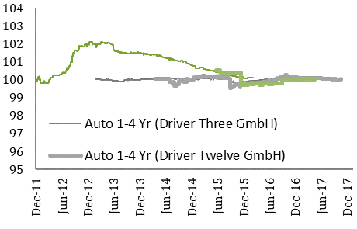
 | 8.3 Pan-European 1-4 Yr AAA ABS Prices

 |  | Source: Markit

 | 1. Pan-European AAA Auto ABS provided: Driver Three GmbH, Class A, Series 3. ISIN# XS0270108573. EUR-denominated and Driver Twelve GmbH, DRV12 12 A, Class A, Series 12. EUR denominated, ISIN: # XS1055190950.
 | 2. Pan-European AAA Credit Card ABS provided: Chester Asset Receivables DGS 2004-1, Class A, Series UK2004-1. ISIN# XS0188611783. GBP-denominated. And Penarth Master Issuer plc Series 2015-2, Class A1, ISIN #: XS1237348823

17
Indices Data

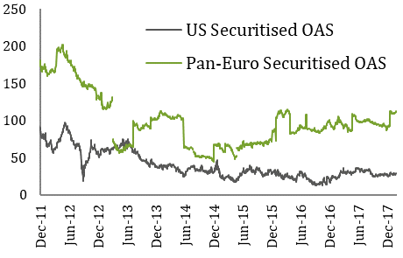
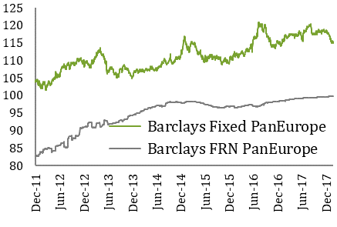
 | 9.1. Securitised index Option Adjusted Spreads |  | 9.2. Barclays PanEurope Fixed and Floating Prices

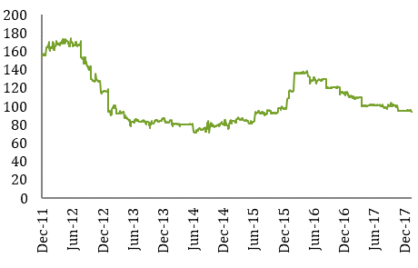
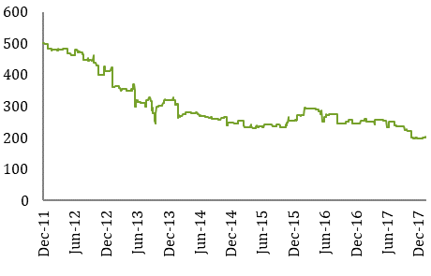
 |  | Source: Barclays Capital |  | Source: Barclays Capital
 | 9.3. Australia AAA (tranche margin for WAL >1.9 & 2.1 yrs) (bps) |  | 9.4 Australia AA (tranche margin for WAL >4.75 & 5.3 yrs) (bps)

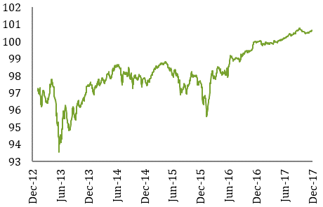
 |  | Source: Macquarie |  | Source: Macquarie
 | 9.7 CMBX 6 AAA

 |  | Source: Markit

18
Total Return Benchmark Data

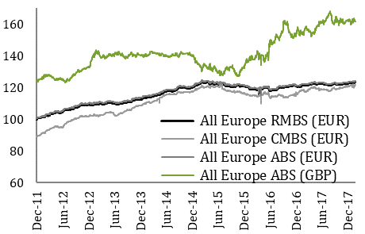
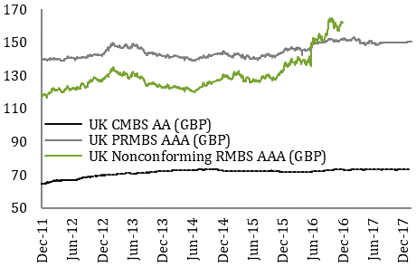
 | 10.1. European Total Return |  | 10.2. UK Total Return

 |  | Source: Markit |  | Source: Markit

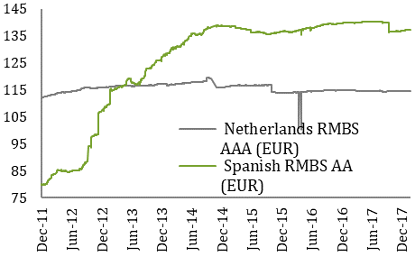
 | 10.3. European ex UK RMBS AAA

 |  | Source: Markit

20
Asset-Backed Commercial Paper
€ Billions

11.5 European ABCP Outstanding by Programme Type

 | 2017:Q1 | 2017:Q2 | 2017:Q3 | 2017:Q4 | 2016:Q1 | 2016:Q2 | 2016:Q3 | 2016:Q4 | 2015:Q1 | 2015:Q2 | 2015:Q3 | 2015:Q4
Hybrid | 0.8 | 0.6 | 0.6 | 0.9 | 1.0 | 0.7 | 0.6 | 0.7 | 0.0 | 1.7 | 1.0 | 0.2
Multi-Seller | 15.7 | 14.8 | 14.7 | 15.4 | 14.2 | 16.0 | 15.4 | 16.3 | 13.1 | 13.9 | 15.8 | 14.9
Unspecified | 1.1 | 0.5 | 0.4 | 0.4 | 2.7 | 2.3 | 0.9 | 2.3 | 5.7 | 3.8 | 3.4 | 3.2
Total | 17.6 | 15.9 | 15.7 | 16.7 | 17.9 | 19.0 | 16.9 | 19.3 | 18.8 | 19.4 | 20.2 | 18.3

11.6 US ABCP Outstanding by Programme Type

 | 2017:Q1 | 2017:Q2 | 2017:Q3 | 2017:Q4 | 2016:Q1 | 2016:Q2 | 2016:Q3 | 2016:Q4 | 2015:Q1 | 2015:Q2 | 2015:Q3 | 2015:Q4
Loan-Backed |  |  |  |  | - | - | - |  | - | - | - | -
SIVs |  |  |  |  | - | - | - |  | - | - | - | -
Single-Seller | 8.4 | 7.9 | 7.6 |  | 6.6 | 7.0 | 7.3 | 7.9 | 6.1 | 7.7 | 6.0 | 6.4
Multi-Seller | 175.8 | 167.1 | 161.8 |  | 176.5 | 177.6 | 171.5 | 176.0 | 157.0 | 140.8 | 155.9 | 178.9
Other | 41.3 | 39.0 | 38.2 |  | 32.7 | 36.8 | 37.9 | 40.4 | 55.0 | 42.1 | 43.4 | 33.9
Total | 225.5 | 214.0 | 207.6 |  | 215.8 | 221.3 | 216.7 | 224.3 | 18.3 | 18.3 | 18.3 | 18.3

Sources: Dealogic, Moody's Investor Service

11.7. US ABCP to AA Non-financial CP Spread

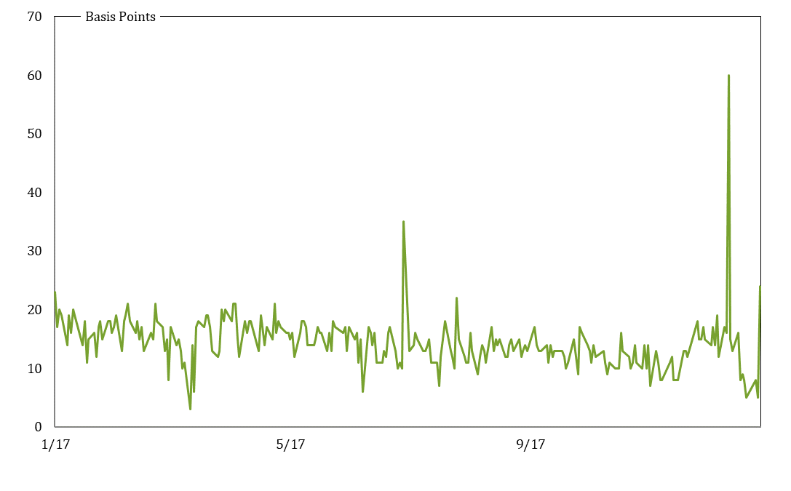

Source: Federal Reserve

