12
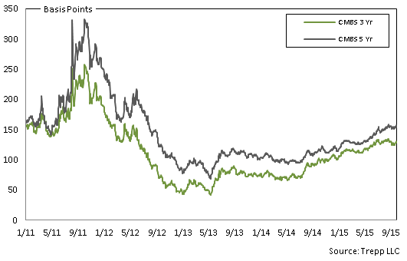
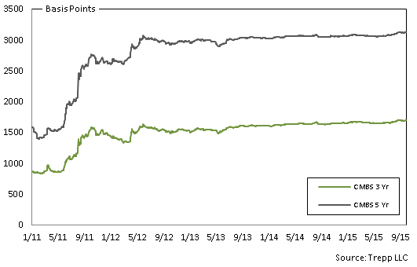
4.1. European 3-5 Yr AAA CMBS Spreads | 4.2. European 3-5 Yr BBB CMBS Spreads

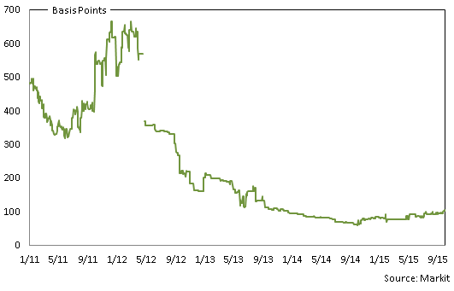
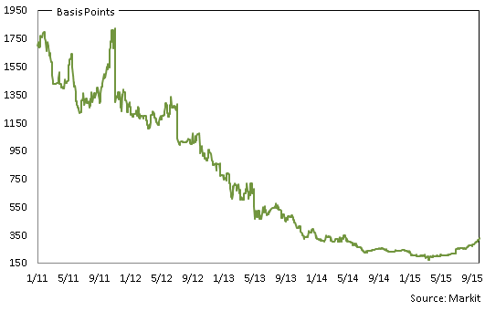

4.3. US 3 & 5 Yr AAA CMBS Spreads | 4.4. US 3 & 5 Yr BBB CMBS Spreads

13
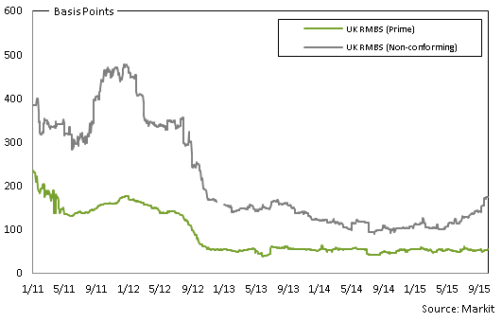
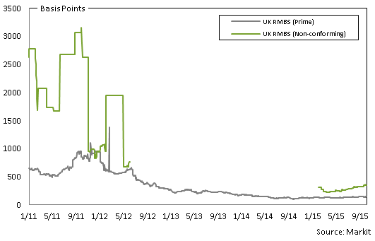
5.1. European 3-5 Yr AAA RMBS Spreads | 5.2. European 3-5 Yr BBB RMBS Spreads

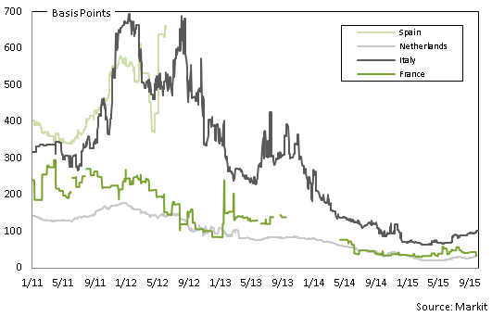
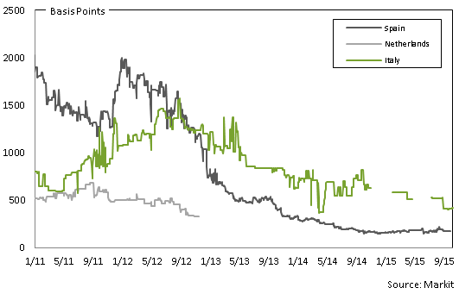

5.3. UK 3-5 Yr AAA RMBS Spreads | 5.4. UK 3-5 Yr BBB RMBS Spreads

14
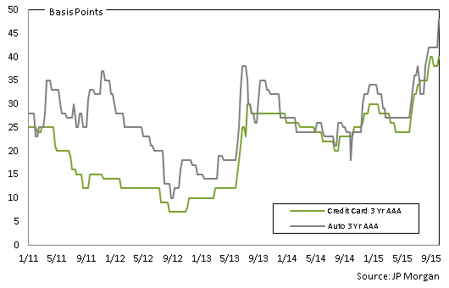
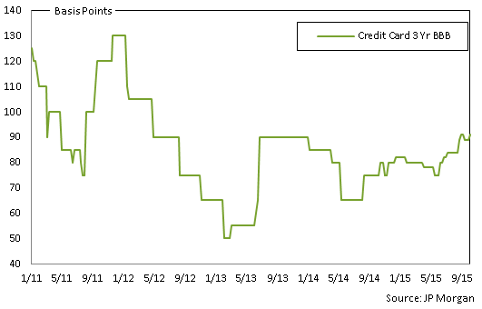
6.1. European 1-4 Yr AAA ABS Spreads | 6.2. US 3 Yr AAA ABS Spreads

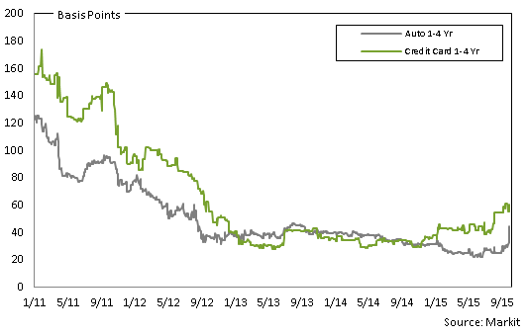
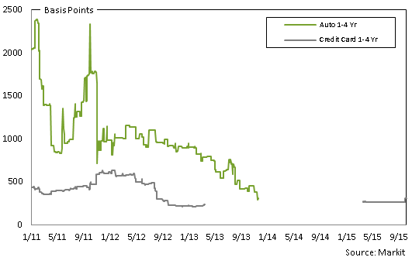

6.3. US 3 Yr BBB ABS Spreads | 6.4 US 3 Yr BBB - AA ABS Spreads

15
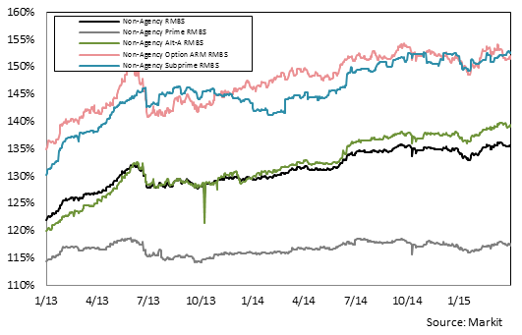
7.1. European 3-5 Yr AAA RMBS Prices | 7.2. European 3-5 Yr BBB RMBS Prices

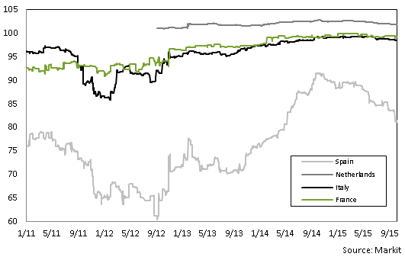
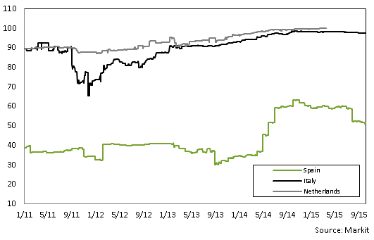

1. Spanish AAA RMBS provided: IM Pastor 3, Fondo de Titulizacion Hipotecaria, Class A, Series 3. ISIN# ES0347862007. EUR-denominated. | 1. Spanish BBB RMBS provided: Hipocat 8, Fondo de Titulizacion Activos, Class D, Series 1: ISIN# ES0345784047. EUR-denominated.
2. Italian AAA RMBS provided: Vela Home S.r.l. 3, Class A, Series 3. ISIN# IT0003933998. EUR-denominated. | 2. Dutch BBB RMBS provided: Holland Mortgage-Backed Securities (HERMES) X B.V., Class C, Series 10. ISIN# XS0228806831. EUR-denominated.
3. French AAA RMBS provided: FCC Loggias Compartment 2003, Class A, Series 1. ISIN# FR0010029231. EUR-denominated.

7.3. UK 3-5 Yr AAA RMBS Prices | 7.4. UK 3-5 Yr BBB RMBS Prices

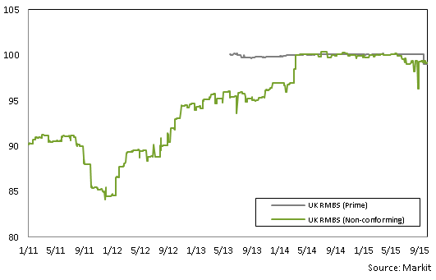
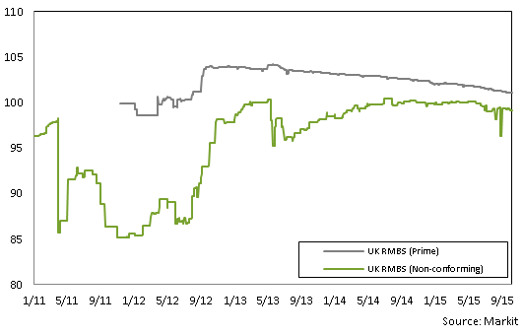

1. UK AAA prime RMBS provided: Permanent Financing (No. 9) PLC, Class A3, Series 2009-1. ISIN# XS0454744458. EUR-denominated. | 1. UK BBB prime RMBS provided: Permanent Financing 2011-2 PLC, Class 2A. ISIN# XS0700016750. GBP-denominated.
2. UK AAA non-conforming RMBS provided: First Flexible No. 4 PLC, Class A, Series 4. ISIN#XS0132692384. GBP-denominated. | 2. UK BBB non-conforming RMBS provided: Leek Finance Number Seventeen Plc, Class CC, ISIN# XS0249478073. EUR-denominated.

7.5. iBoxx US RMBS Prices

16
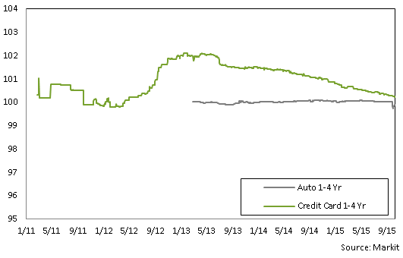
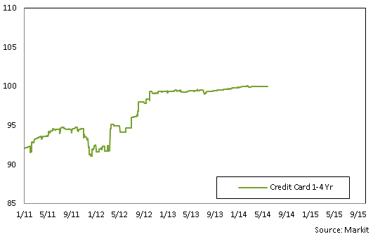
8.1. Pan-European 1-4 Yr AAA ABS Prices | 8.2 Pan-European 3-5 Yr BBB CMBS Prices

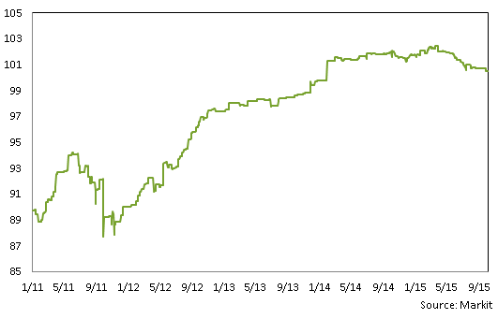
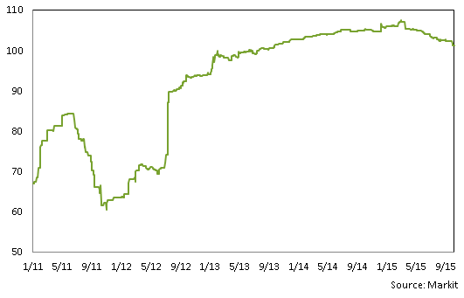

1 Pan-European AAA Auto ABS provided: Driver Three GmbH, Class A, Series 3. ISIN# XS0270108573. EUR-denominated.
2 Pan-European AAA Credit Card ABS provided: Chester Asset Receivables DGS 2004-1, Class A, Series UK2004-1. ISIN# XS0188611783. GBP-denominated.

8.3 Pan-European 1-4 Yr AAA ABS Prices | 8.4 Pan-European 1-4 Yr BBB ABS Prices

17
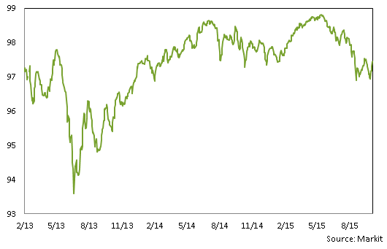
9.1. Securitised index Option Adjusted Spreads | 9.2. Barclays PanEurope Fixed and Floating Prices
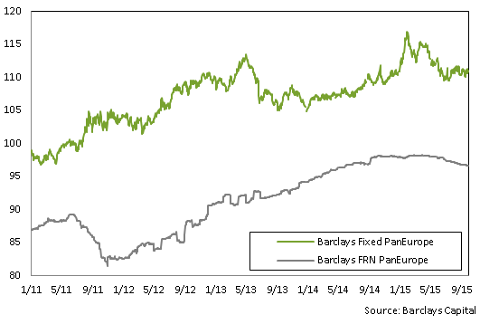
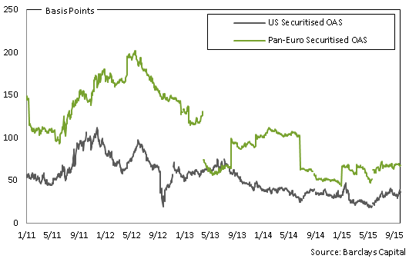

9.3. Australia AAA | 9.4. Australian AA

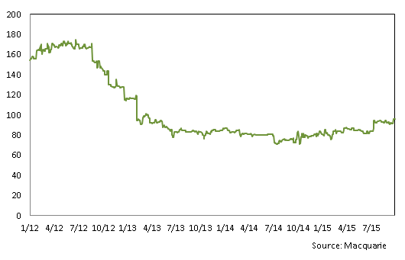
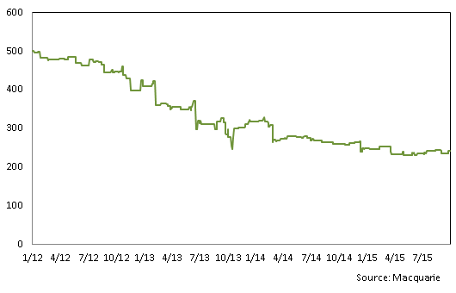

9.5 ABX.HE and CMBX Prices | 9.6 PrimeX.ARM and FRM Prices

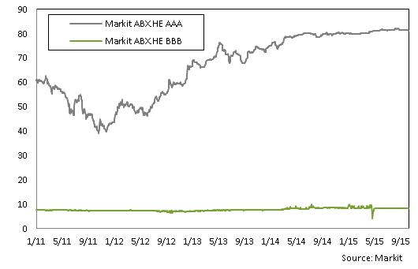
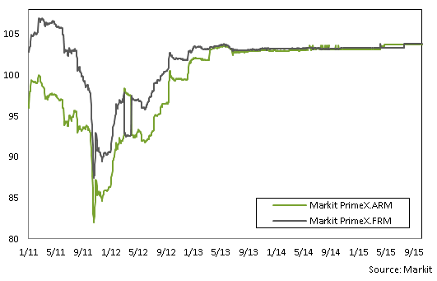

9.7 CMBX 6 AAA

18
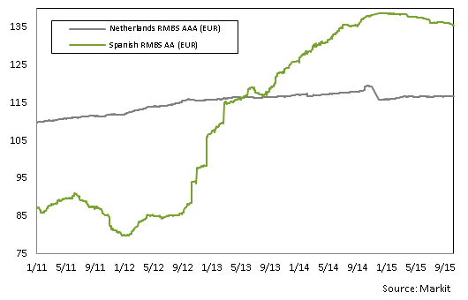
10.1. European Total Return | 10.2. UK Total Return

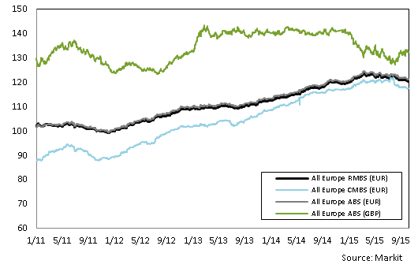
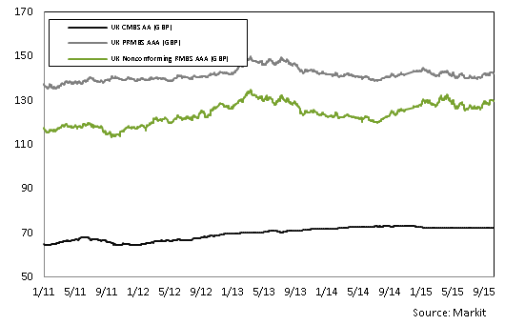

10.3. European ex UK RMBS AAA

20
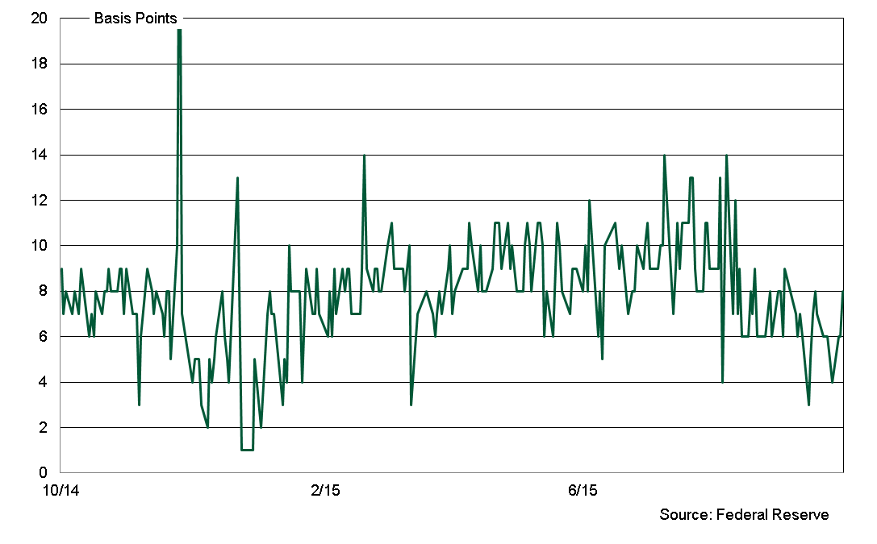
ASSET-BACKED COMMERCIAL PAPER
€ Billions

11.5 European ABCP Outstanding by Programme Type

 | 2015:Q1 | 2015:Q2 | 2015:Q3 | 2015:Q4 | 2014:Q1 | 2014:Q2 | 2014:Q3 | 2014:Q4 | 2013:Q1 | 2013:Q2 | 2013:Q3 | 2013:Q4
Hybrid | - | 1.7 | 1.0 |  | - | - | - | - | - | - | - | 0.8
SIVs | - | - | - |  | - | - | - | - | - | - | - | -
Single-Seller | - | - | - |  | - | - | - | - | - | - | - | -
Multi-Seller | 13.1 | 13.9 | 15.8 |  | 11.2 | 11.9 | 11.2 | 13.4 | 9.7 | 10.8 | 10.7 | 11.3
Unspecified | 5.7 | 3.8 | 3.4 |  | 3.4 | 3.8 | 3.8 | 4.6 | 4.1 | 3.7 | 4.0 | 2.7
Total | 18.8 | 19.4 | 19.4 |  | 14.6 | 15.7 | 15.0 | 18.0 | 13.8 | 14.6 | 14.6 | 14.8

11.6 US ABCP Outstanding by Programme Type

 | 2015:Q1 | 2015:Q2 | 2015:Q3 | 2015:Q4 | 2014:Q1 | 2014:Q2 | 2014:Q3 | 2014:Q4 | 2013:Q1 | 2013:Q2 | 2013:Q3 | 2013:Q4
Loan-Backed | - | - | - |  | - | - | - | - | - | - | - | -
SIVs | - | - | - |  | - | - | - | - | - | - | - | -
Single-Seller | 6.1 | 7.7 | 6.0 |  | 21.6 | 18.2 | 19.4 | 18.6 | 27.6 | 27.4 | 24.6 | 20.1
Multi-Seller | 157.0 | 140.8 | 155.9 |  | 105.6 | 113.4 | 120.8 | 139.2 | 132.2 | 118.6 | 108.7 | 105.4
Other | 55.0 | 42.1 | 43.4 |  | 25.0 | 26.7 | 29.1 | 36.0 | 20.2 | 22.0 | 22.7 | 23.8
Total | 218.1 | 190.6 | 205.3 |  | 152.2 | 158.3 | 169.2 | 193.8 | 191.1 | 196.5 | 186.1 | 193.3

 |  |  |  |  | Sources: Dealogic, Moody's Investor Service

11.7. US ABCP to AA Non-financial CP Spread

