12
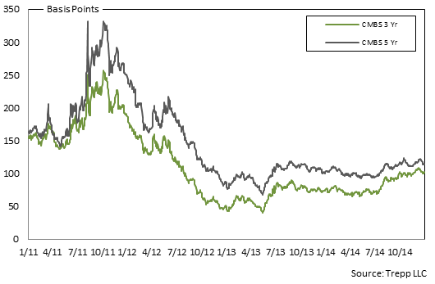
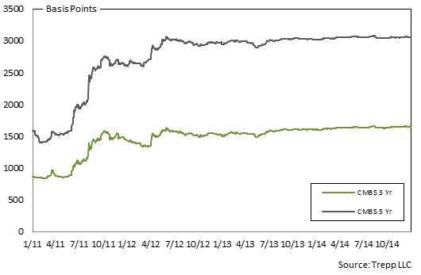
4.1. European 3-5 Yr AAA CMBS Spreads | 4.2. European 3-5 Yr BBB CMBS Spreads
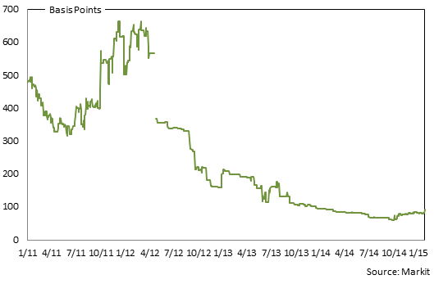
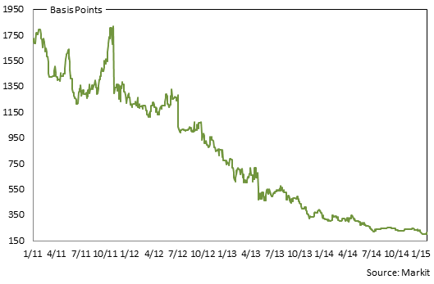

4.3. US 3 & 5 Yr AAA CMBS Spreads | 4.4. US 3 & 5 Yr BBB CMBS Spreads

13
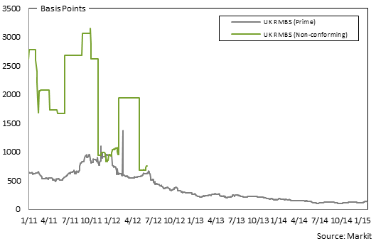
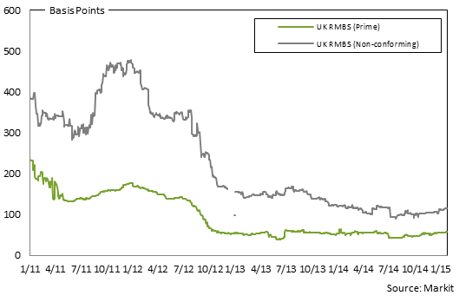
5.1. European 3-5 Yr AAA RMBS Spreads | 5.2. European 3-5 Yr BBB RMBS Spreads
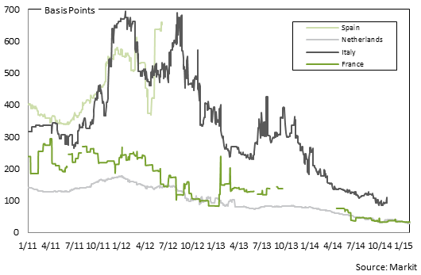
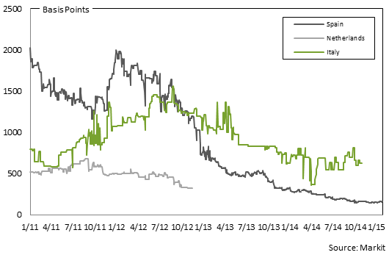

5.3. UK 3-5 Yr AAA RMBS Spreads | 5.4. UK 3-5 Yr BBB RMBS Spreads

14
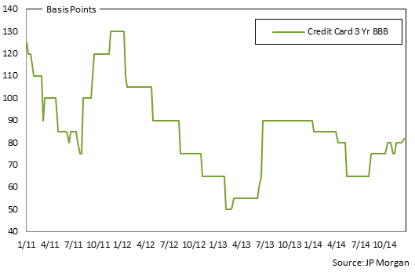
6.1. European 1-4 Yr AAA ABS Spreads | 6.2. US 3 Yr AAA ABS Spreads
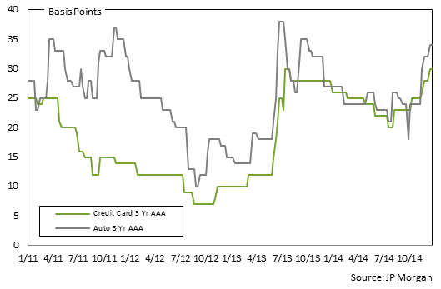
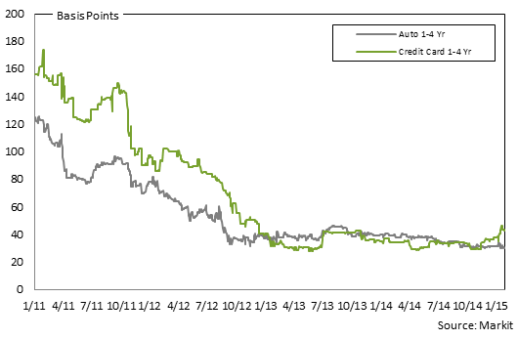

6.3. US 3 Yr BBB ABS Spreads

15
7.1. European 3-5 Yr AAA RMBS Prices | 7.2. European 3-5 Yr BBB RMBS Prices

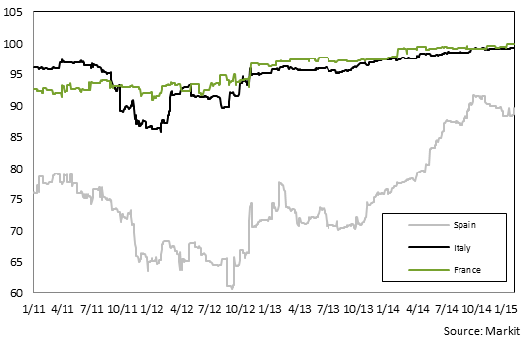
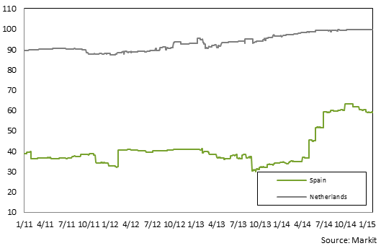

1. Spanish AAA RMBS provided: IM Pastor 3, Fondo de Titulizacion Hipotecaria, Class A, Series 3. ISIN# ES0347862007. EUR-denominated. | 1. Spanish BBB RMBS provided: Hipocat 8, Fondo de Titulizacion Activos, Class D, Series 1: ISIN# ES0345784047. EUR-denominated.
2. Italian AAA RMBS provided: Vela Home S.r.l. 3, Class A, Series 3. ISIN# IT0003933998. EUR-denominated. | 2. Dutch BBB RMBS provided: Holland Mortgage-Backed Securities (HERMES) X B.V., Class C, Series 10. ISIN# XS0228806831. EUR-denominated.
3. French AAA RMBS provided: FCC Loggias Compartment 2003, Class A, Series 1. ISIN# FR0010029231. EUR-denominated.

7.3. UK 3-5 Yr AAA RMBS Prices | 7.4. UK 3-5 Yr BBB RMBS Prices
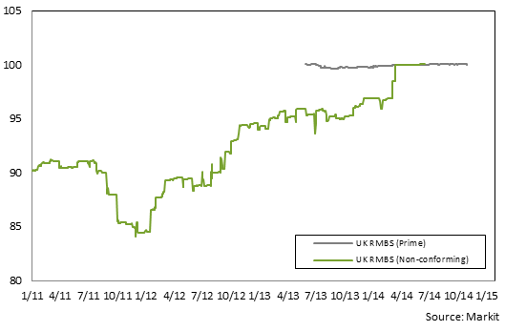
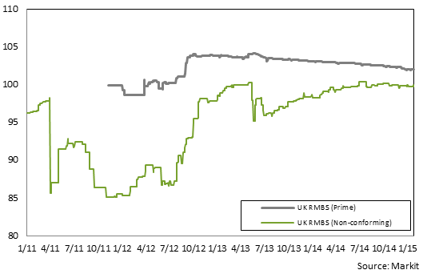

1. UK AAA prime RMBS provided: Permanent Financing (No. 9) PLC, Class A3, Series 2009-1. ISIN# XS0454744458. EUR-denominated. | 1. UK BBB prime RMBS provided: Permanent Financing 2011-2 PLC, Class 2A. ISIN# XS0700016750. GBP-denominated.
2. UK AAA non-conforming RMBS provided: First Flexible No. 4 PLC, Class A, Series 4. ISIN#XS0132692384. GBP-denominated. | 2. UK BBB non-conforming RMBS provided: Leek Finance Number Seventeen Plc, Class CC, ISIN# XS0249478073. EUR-denominated.

16
8.1. Pan-European 1-4 Yr AAA ABS Prices

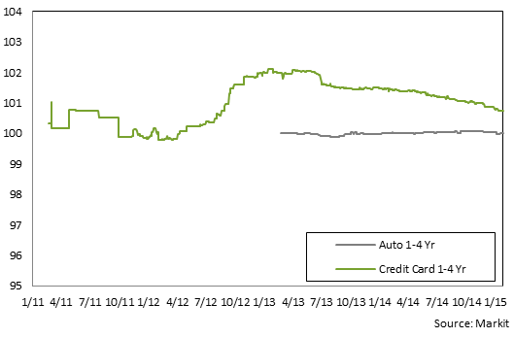

1 Pan-European AAA Auto ABS provided: Driver Three GmbH, Class A, Series 3. ISIN# XS0270108573. EUR-denominated.
2 Pan-European AAA Credit Card ABS provided: Chester Asset Receivables DGS 2004-1, Class A, Series UK2004-1. ISIN# XS0188611783. GBP-denominated.

17
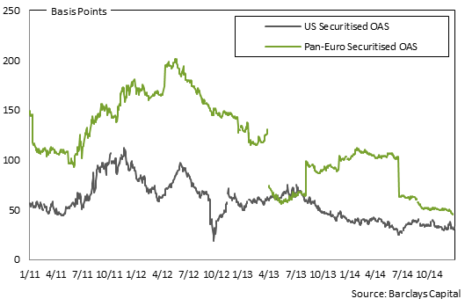
9.1. Securitised index Option Adjusted Spreads

18
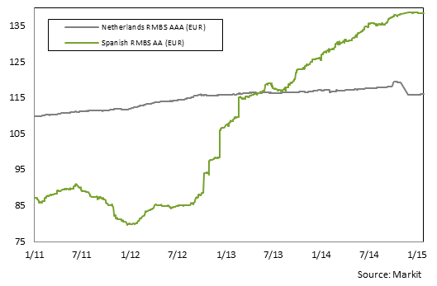
10.1. European Total Return | 10.2. UK Total Return
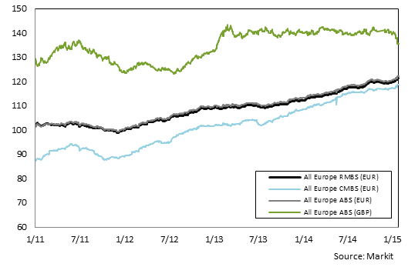
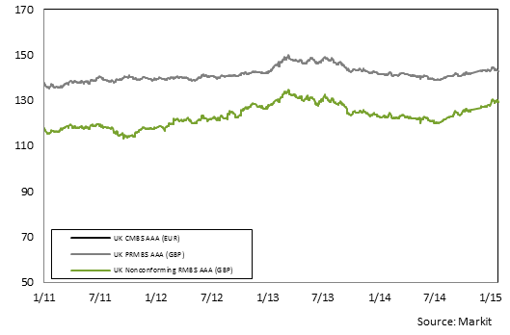

10.3. European ex UK RMBS AAA

20
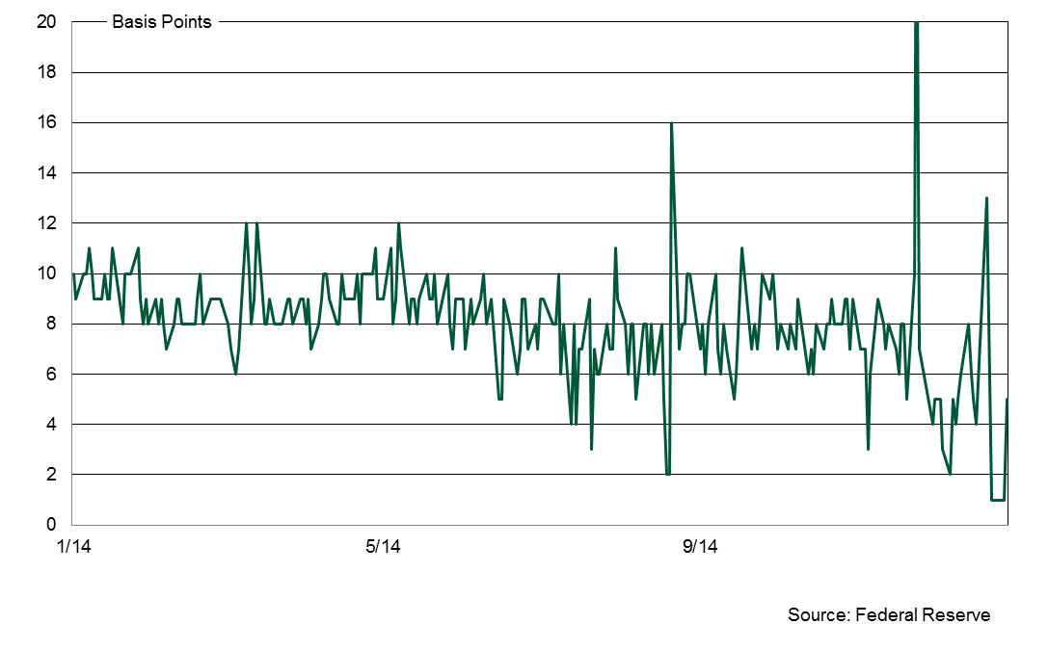
ASSET-BACKED COMMERCIAL PAPER
€ Billions

11.5 European ABCP Outstanding by Programme Type

 | 2014:Q1 | 2014:Q2 | 2014:Q3 | 2014:Q4 | 2013:Q1 | 2013:Q2 | 2013:Q3 | 2013:Q4 | 2012:Q4 | 2011:Q4 | 2010:Q4 | 2009:Q4
Hybrid |  |  |  |  | N/A | N/A | N/A | 0.8 | N/A | N/A | N/A | N/A
SIVs |  |  |  |  |  |  |  |  |  |  |  | 0.0
Single-Seller |  |  |  |  |  |  |  |  |  |  | 0.1 | 0.0
Multi-Seller | 11.2 | 11.9 | 11.2 | 13.4 | 9.7 | 10.8 | 10.7 | 11.3 | 9.9 | 10.3 | 7.7 | 6.4
Unspecified | 3.4 | 3.8 | 3.8 | 4.6 | 4.1 | 3.7 | 4.0 | 2.7 | 3.3 | 5.4 | 2.5 | 3.2
Total | 14.6 | 15.7 | 15.0 | 18.0 | 13.8 | 14.6 | 14.6 | 14.8 | 13.2 | 15.7 | 10.3 | 9.7

11.6 US ABCP Outstanding by Programme Type

 | 2014:Q1 | 2014:Q2 | 2014:Q3 | 2014:Q4 | 2013:Q1 | 2013:Q2 | 2013:Q3 | 2013:Q4 | 2012:Q4 | 2011:Q4 | 2010:Q4 | 2009:Q4
Loan-Backed |  |  |  |  |  |  |  |  |  |  |  | 0.7
SIVs
Single-Seller | 21.6 | 18.2 | 19.4 |  | 27.6 | 27.4 | 24.6 | 20.1 | 26.9 | 23.3 | 15.3 | 25.4
Multi-Seller | 105.6 | 113.4 | 120.8 |  | 132.2 | 118.6 | 108.7 | 105.4 | 156.3 | 173.7 | 170.0 | 194.0
Unspecified | 25.0 | 26.7 | 29.1 |  | 20.2 | 22.0 | 22.7 | 23.8 | 10.2 | 8.4 | 7.5 | 9.5
Total | 152.2 | 158.3 | 169.2 |  | 191.1 | 196.5 | 186.1 | 193.3 | 192.8 | 205.4 | 192.8 | 229.7

 |  |  |  |  | Source: Dealogic, Moody's Investor Service

11.7. US ABCP to AA Non-financial CP Spread

