12
4.1. European 3-5 Yr AAA CMBS Spreads1 | 4.2. European 3-5 Yr BBB CMBS Spreads1
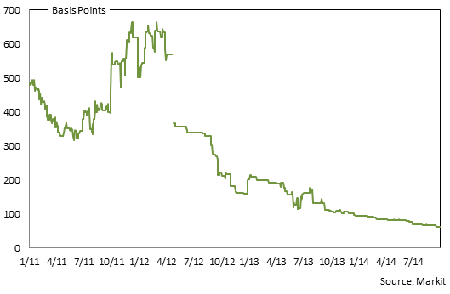
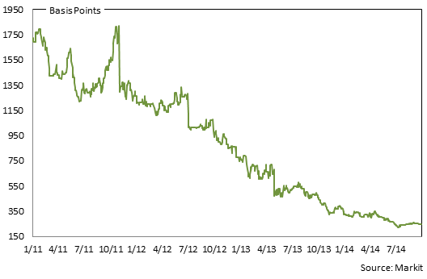

4.3. US 3 & 5 Yr AAA CMBS Spreads2 | 4.4. US 3 & 5 Yr BBB CMBS Spreads2
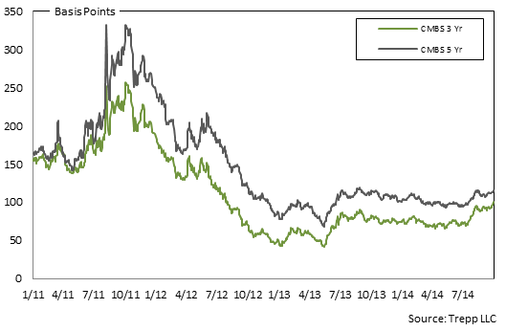
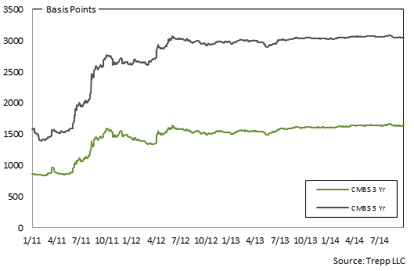

1 Markit provides independent composite spread levels which are calculated from dealer contributions and are subject to multiple cleaning algorithms. These levels are equivalent to the ‘discount margin’ which is defined as the effective spread to maturity of a floating rate security after discounting the yield value of a price other than par over the life of a security.
2 US CMBS spreads are quoted for Fixed Rate bonds as the spread to the yield on US Treasury Bonds with the same average life as the CMBS bond.

Note: Gaps in data availability occur in some places and result in linebreaks for those data series.

13
5.1. European 3-5 Yr AAA RMBS Spreads1,2,3 | 5.2. European 3-5 Yr BBB RMBS Spreads1,3,4
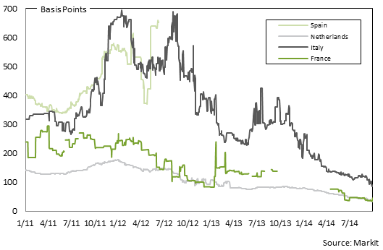
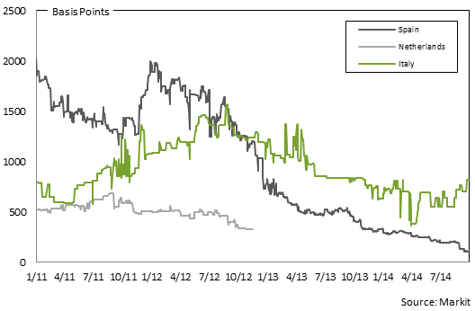

5.3. UK 3-5 Yr AAA RMBS Spreads1 | 5.4. UK 3-5 Yr BBB RMBS Spreads1,5.6
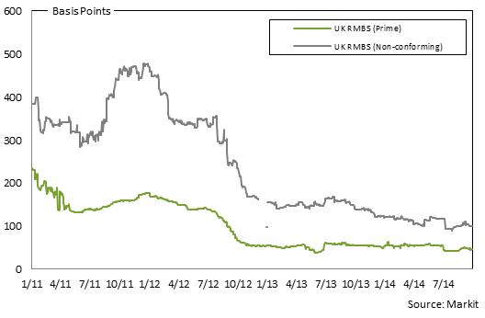
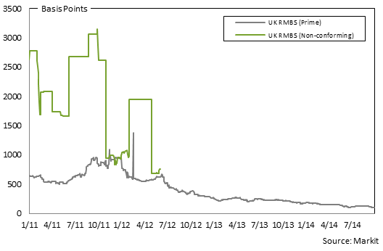

1 Markit provides independent composite spread levels which are calculated from dealer contributions and are subject to multiple cleaning algorithms. These levels are equivalent to the ‘discount margin’ which is defined as the effective spread to maturity of a floating rate security after discounting the yield value of a price other than par over the life of a security
2 German 3-5 AAA RMBS credit spreads are unavailable at time of publication.
3 As of April 2012, Italian AAA has been replaced with Italian AA due to downgrades. Also due to the lack of bonds populating the WAL 3-5 year sector for Spanish RMBS, the Spanish RMBS AAA and BBB spreads have been replaced with 5-8 years. As of 2012 June, Spanish AAA are not longer available.
4 French and German 3-5 year BBB RMBS credit spreads are unavailable at time of publication. Data for Dutch BBB are not available after 2012 November 16.
5 Due to a lack of bonds populating the WAL 3-5 year sector for UK Prime RMBS BBB, the sector has been replaced with the WAL 5-15 year UK Granite BBB Float. The UK non-conforming RMBS BBB sector will continue to remain WAL 3-5 years. As of November 2012, UK non-conforming AAA has been replaced with non-conforming AA due to downgrades.
6 As of 2012 June, BBB UK nonconforming RMBS are no longer available.

Note: Gaps in data availability occur in some places and result in linebreaks for those data series.

14
6.1. European 1-4 Yr AAA ABS Spreads1 | 6.2. European 1-4 Yr BBB ABS Spreads1
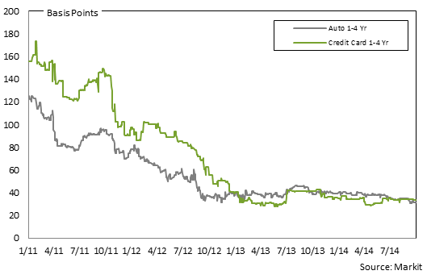
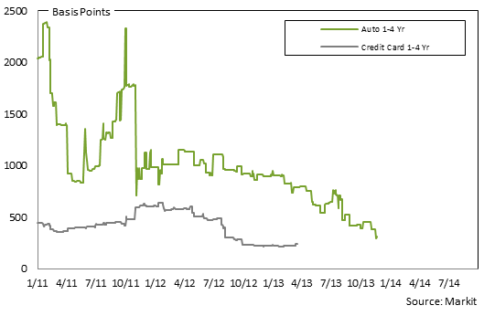

6.3. US 3 Yr AAA ABS Spreads | 6.4. US 3 Yr BBB ABS Spreads2

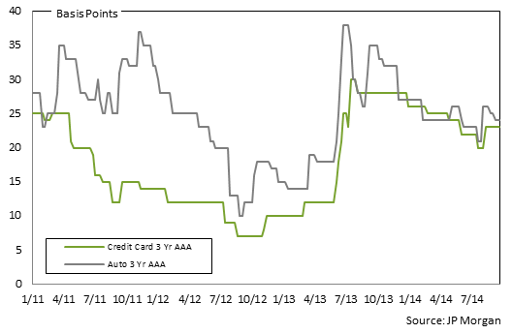
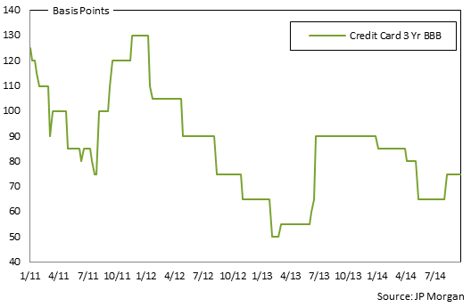

1 Markit provides independent composite spread levels which are calculated from dealer contributions and are subject to multiple cleaning algorithms. These levels are equivalent to the ‘discount margin’ which is defined as the effective spread to maturity of a floating rate security after discounting the yield value of a price other than par over the life of a security.
2 US 3 Yr Auto ABS BBB spreads are not available.

Note: Gaps in data availability occur in some places and result in linebreaks for those data series.

15
7.1. European 3-5 Yr AAA RMBS Prices1,2 | 7.2. European 3-5 Yr BBB RMBS Prices1,3
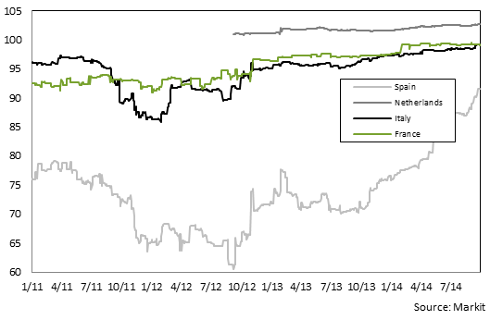
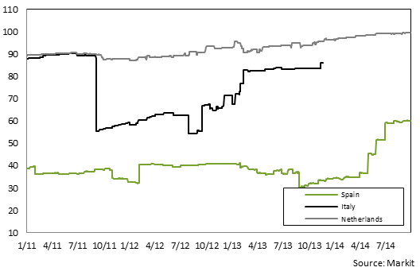

1. Spanish AAA RMBS provided: IM Pastor 3, Fondo de Titulizacion Hipotecaria, Class A, Series 3. ISIN# ES0347862007. EUR-denominated. | 1. Spanish BBB RMBS provided: Hipocat 8, Fondo de Titulizacion Activos, Class D, Series 1: ISIN# ES0345784047. EUR-denominated.
2. Dutch AAA RMBS provided: Saecure 5 B.V. Class A, Series 1. ISIN# XS0217032738. EUR-denominated. | 2. Dutch BBB RMBS provided: Holland Mortgage-Backed Securities (HERMES) X B.V., Class C, Series 10. ISIN# XS0228806831. EUR-denominated.
3. Italian AAA RMBS provided: Vela Home S.r.l. 3, Class A, Series 3. ISIN# IT0003933998. EUR-denominated. | 3. Italian BBB RMBS provided: Intra Mortgage Finance 1 S.r.l., Class 1, Series 1. ISIN# IT0003406003. EUR-denominated.
5. French AAA RMBS provided: FCC Loggias Compartment 2003, Class A, Series 1. ISIN# FR0010029231. EUR-denominated. | Note: French and German 3-5 Yr BBB RMBS data are not available.

7.3. UK 3-5 Yr AAA RMBS Prices1,4 | 7.4. UK 3-5 Yr BBB RMBS Prices1
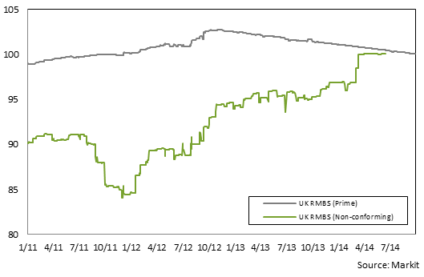
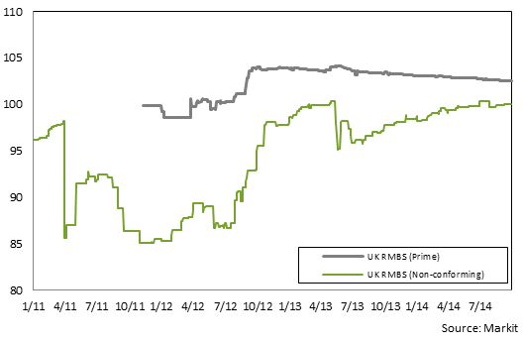

1. UK AAA prime RMBS provided: Permanent Financing (No. 9) PLC, Class A3, Series 2009-1. ISIN# XS0454744458. EUR-denominated. | 1. UK BBB prime RMBS provided: Permanent Financing 2011-2 PLC, Class 2A. ISIN# XS0700016750. GBP-denominated.
2. UK AAA non-conforming RMBS provided: First Flexible No. 4 PLC, Class A, Series 4. ISIN#XS0132692384. GBP-denominated. | 2. UK BBB non-conforming RMBS provided: Leek Finance Number Seventeen Plc, Class CC, ISIN# XS0249478073. EUR-denominated.

1 Markit prices: Independent composite price levels are calculated from dealer contributions which have been subjected to multiple cleaning algorithms for one sample bond per sector and ratings category where possible. According to the rules we have agreed on previously, the security we have chosen receives the greatest number of contributions for a bond matching the criteria and must receive at least 3 individual contributions. We have included data from start of 2007 to present.
2 A composite level of prices for Germany 3-5 year AAA RMBS could not be formed after 7 July 2008.
3 A composite level of prices for Italy 3-5 year BBB RMBS could not be formed for after 11 August 2008.
4 The jump on 06 January 2008 is due to a new addition to the underlying bond, which was then averaged.

Note: Gaps in data availability occur in some places and result in linebreaks for those data series.

16
8.1. Pan-European 3-5 Yr AAA CMBS Prices1 | 8.2. Pan-European 3-5 Yr BBB CMBS Prices1

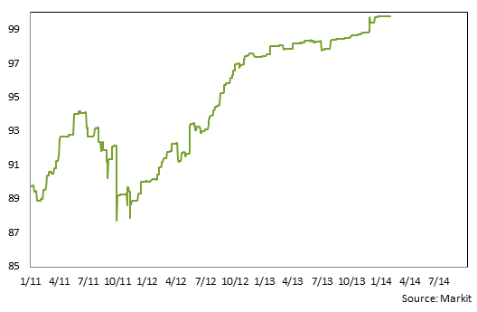
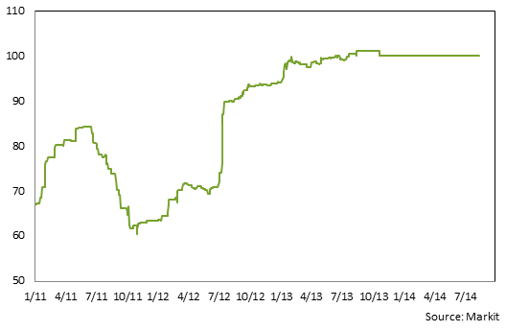

Pan-European AAA CMBS provided: Opera Finance (Metrocentre) Plc, Class A, Series 1. ISIN# XS0211548143. GBP-denominated. | Pan-European BBB CMBS provided: German Residential Asset Note Distributor Plc, Class D, Series 1. ISIN# XS0260143101. EUR-denominated.

8.3. Pan-European 1-4 Yr AAA ABS Prices1 | 8.4. Pan-European 1-4 Yr BBB ABS Prices1

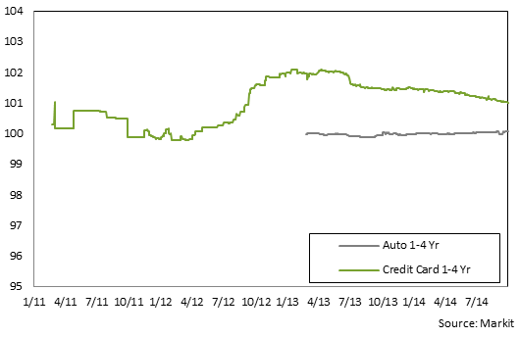
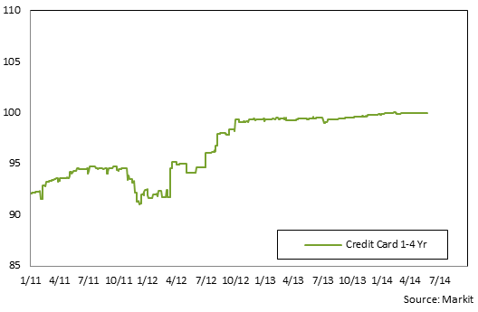

1 Pan-European AAA Auto ABS provided: Driver Three GmbH, Class A, Series 3. ISIN# XS0270108573. EUR-denominated. | 1 1. Pan-European BBB Credit Card ABS provided: Chester Asset Receivables DGS 2004-1, Class C, Series UK2004-1. ISIN# XS0188612245. GBP-denominated.
2 Pan-European AAA Credit Card ABS provided: Chester Asset Receivables DGS 2004-1, Class A, Series UK2004-1. ISIN# XS0188611783. GBP-denominated. | Note: Pan-European 1-4 Yr BBB Auto ABS price data is not available

1 Markit prices: Independent composite price levels are calculated from dealer contributions which have been subjected to multiple cleaning algorithms for one sample bond per sector and ratings category where possible. According to the rules we have agreed on previously, the security we have chosen receives the greatest number of contributions for a bond matching the criteria and must receive at least 3 individual contributions. We have included data from the start of 2007 to present.
Note: Gaps in data availability occur in some places and result in linebreaks for those data series.

17
9.1. Securitised index Option Adjusted Spreads | 9.2. Barclays PanEurope Fixed and Floating Prices

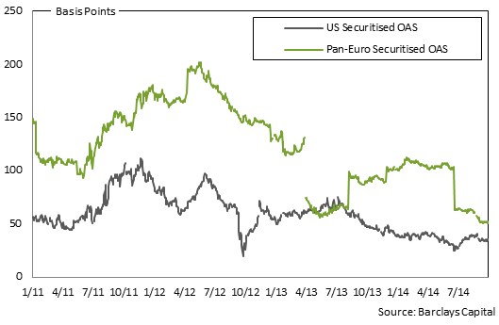
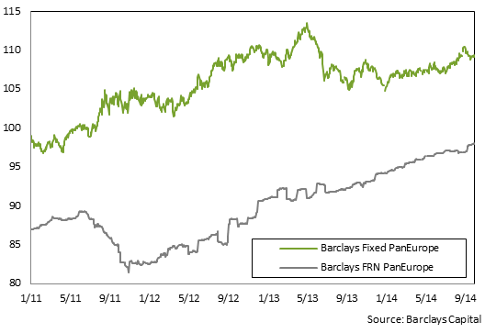

9.3. ABX.HE and CMBX Prices1 | 9.4. PrimeX.ARM and FRM Prices
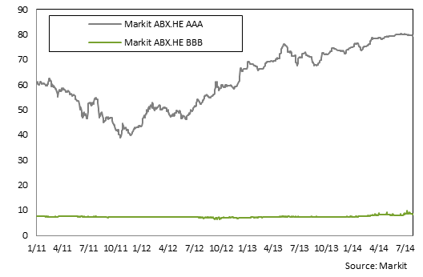
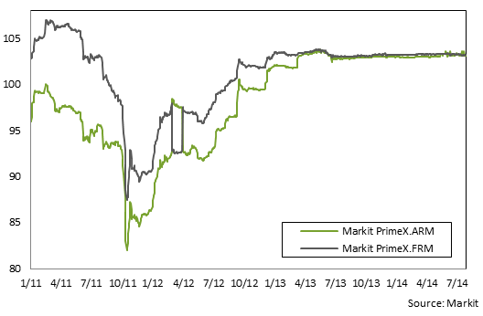

1 Due to pricing convention changes occurring on 20 April 2009, ABX.HE and CMBS spreads are no longer available.

9.5. CMBX 6 AAA | 9.6. Markit RMBS Indices
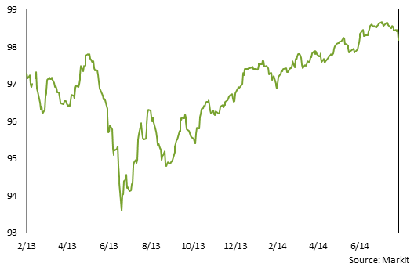
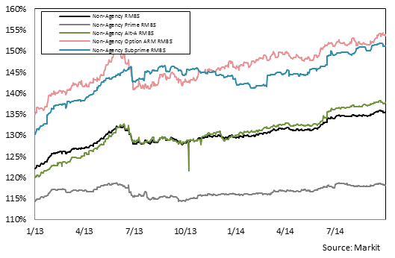

Note: Gaps in data availability occur in some places and result in linebreaks for those data series.

18
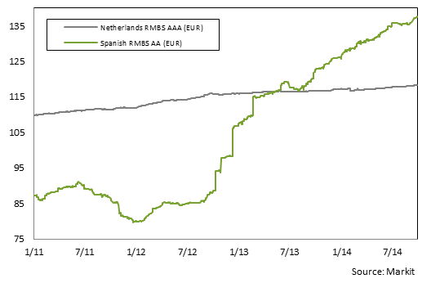
10.1. European Total Return | 10.2. UK Total Return
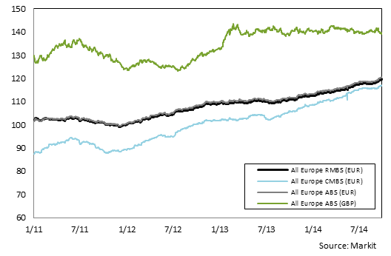
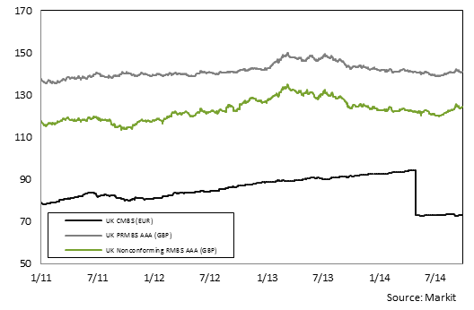

10.3. European ex UK RMBS AAA

20
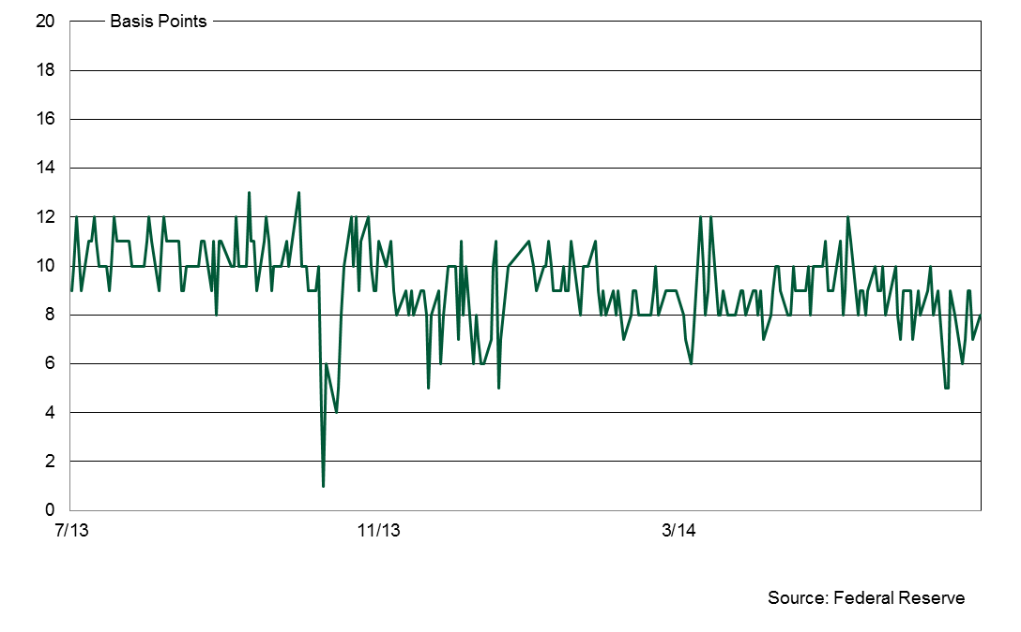
ASSET-BACKED COMMERCIAL PAPER
€ Billions1

11.5 European ABCP Outstanding by Programme Type2

 | 2014:Q1 | 2014:Q2 | 2014:Q3 | 2014:Q4 | 2013:Q1 | 2013:Q2 | 2013:Q3 | 2013:Q4 | 2012:Q4 | 2011:Q4 | 2010:Q4 | 2009:Q4
Hybrid |  |  |  |  | N/A | N/A | N/A | 0.8 | N/A | N/A | N/A | N/A
SIVs |  |  |  |  |  |  |  |  |  |  |  | 0.0
Single-Seller |  |  |  |  |  |  |  |  |  |  | 0.1 | 0.0
Multi-Seller | 11.2 | 11.9 | 11.2 |  | 9.7 | 10.8 | 10.7 | 11.3 | 9.9 | 10.3 | 7.7 | 6.4
Unspecified | 3.4 | 3.8 | 3.8 |  | 4.1 | 3.7 | 4.0 | 2.7 | 3.3 | 5.4 | 2.5 | 3.2
Total | 14.6 | 15.7 | 15.0 |  | 13.8 | 14.6 | 14.6 | 14.8 | 13.2 | 15.7 | 10.3 | 9.7

11.6 US ABCP Outstanding by Programme Type6

 | 2014:Q1 | 2014:Q2 | 2014:Q3 | 2014:Q4 | 2013:Q1 | 2013:Q2 | 2013:Q3 | 2013:Q4 | 2012:Q4 | 2011:Q4 | 2010:Q4 | 2009:Q4
Loan-Backed |  |  |  |  |  |  |  |  |  |  |  | 0.7
SIVs
Single-Seller | 21.6 | 18.2 | 19.4 |  | 27.6 | 27.4 | 24.6 | 20.1 | 26.9 | 23.3 | 15.3 | 25.4
Multi-Seller | 105.6 | 113.4 | 120.8 |  | 132.2 | 118.6 | 108.7 | 105.4 | 156.3 | 173.7 | 170.0 | 194.0
Unspecified5 | 25.0 | 26.7 | 29.1 |  | 20.2 | 22.0 | 22.7 | 23.8 | 10.2 | 8.4 | 7.5 | 9.5
Total1,3 | 152.2 | 158.3 | 169.2 |  | 191.1 | 196.5 | 186.1 | 193.3 | 192.8 | 205.4 | 192.8 | 229.7

 |  |  |  |  | Source: Dealogic, Moody's Investor Service

1 All volumes are denominated in euro. The US volumes were converted from dollar to euro based on the $/€ exchange rates as of quarter-end.
2 Dealogic classifies ABCP programmes as European based on the nationality of SPVs.
3 Numbers may not add due to independent rounding. Historical or prior period numbers are revised to reflect changes in classification or information submitted to our data source after the prior period cut-off dates.
4 Based on US ABCP programmes rated by Moody's NY office ABCP Program Index, regardless of market. Therefore, some euro-denominated ABCP may be included in this figure.
5 Includes arbitrage, hybrid, and Repo/TRS programme types.

11.7. US ABCP to AA Non-financial CP Spread

